AntRun2 Raw
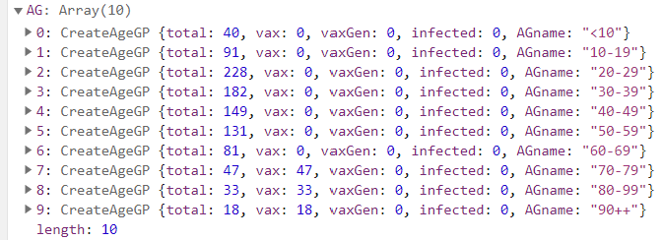

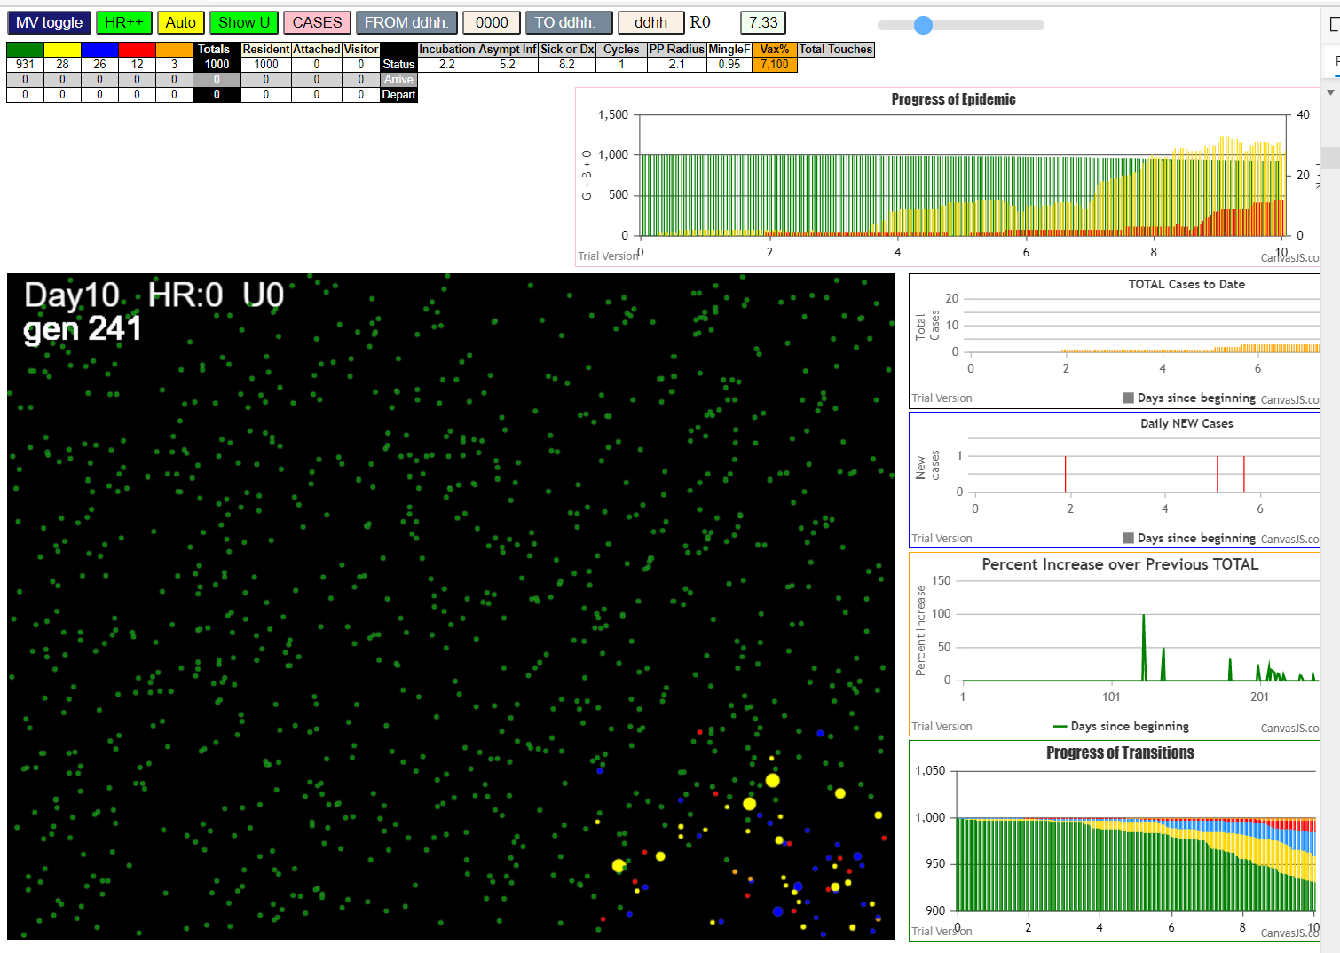

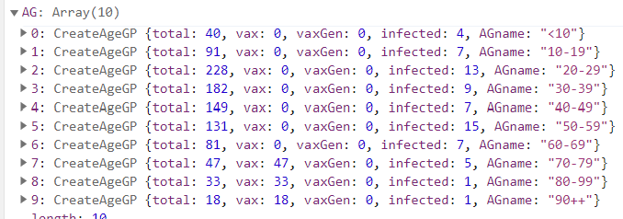

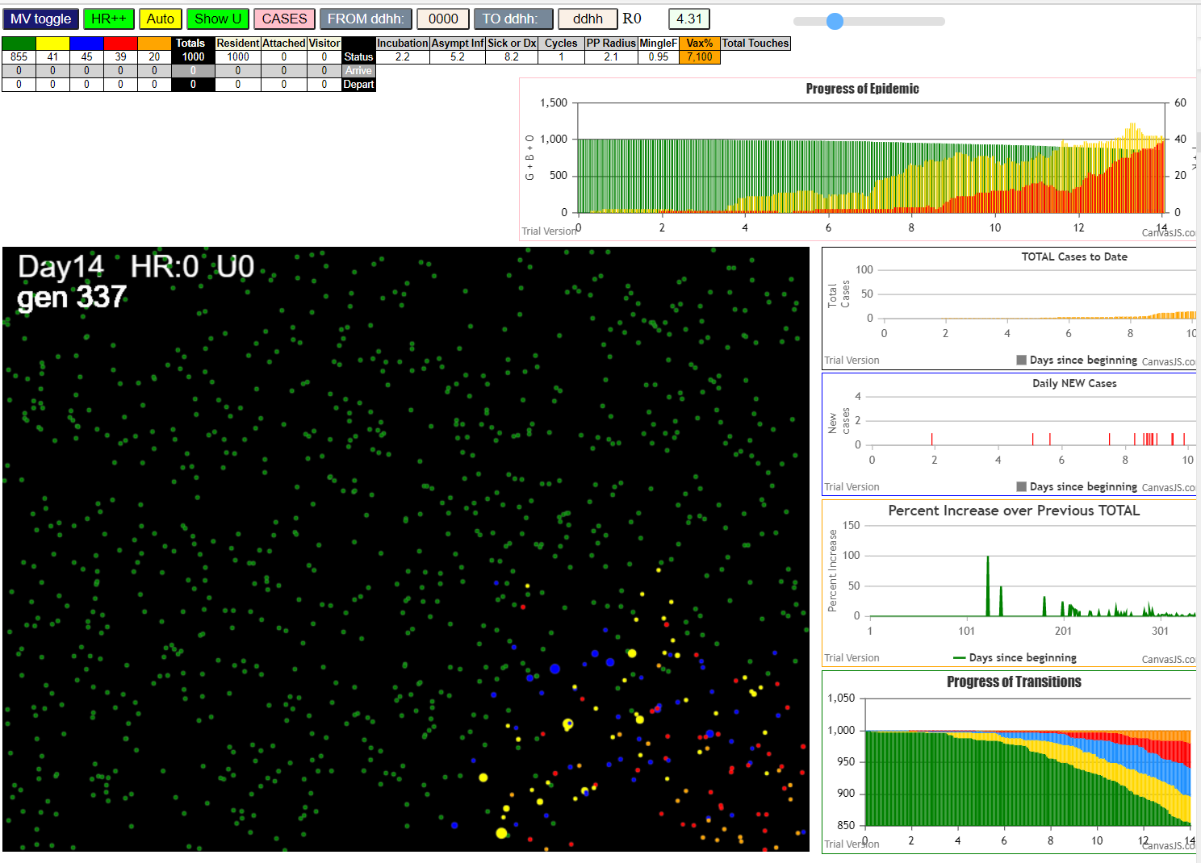

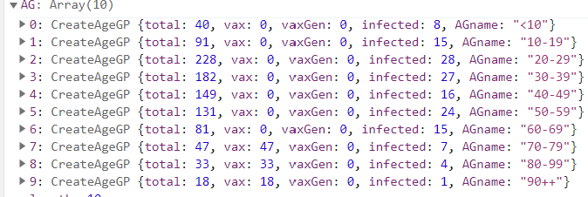

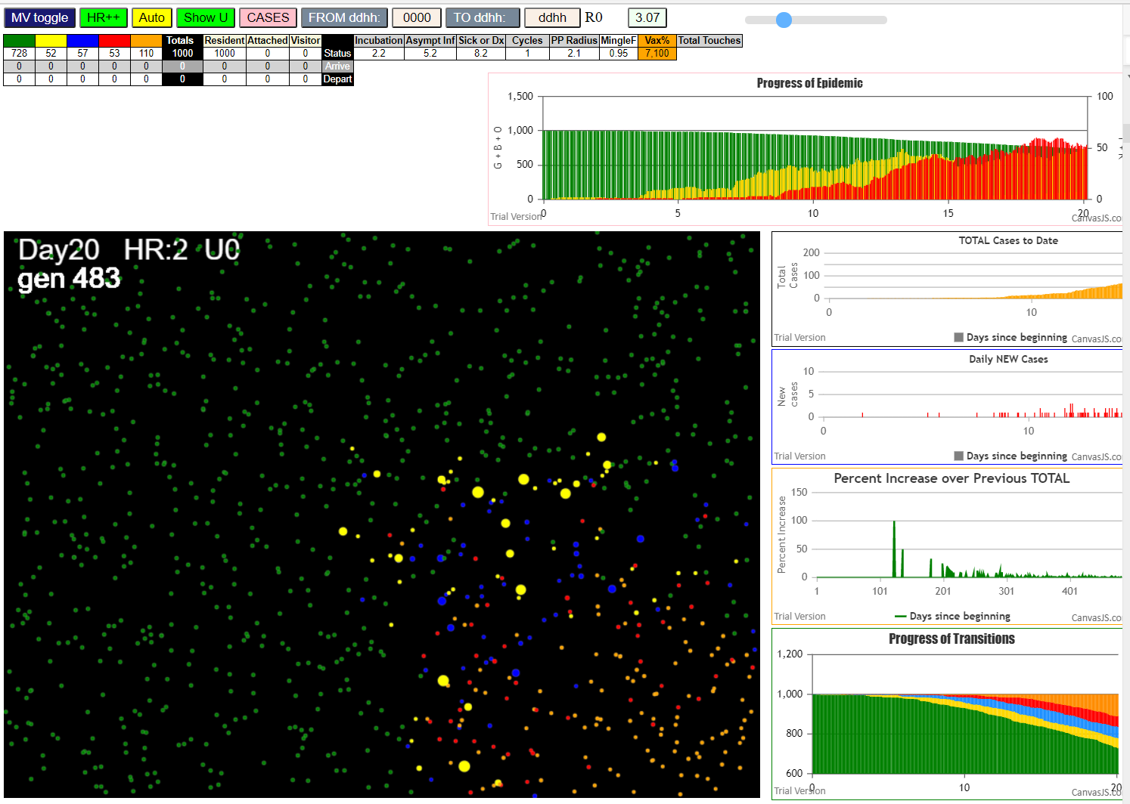

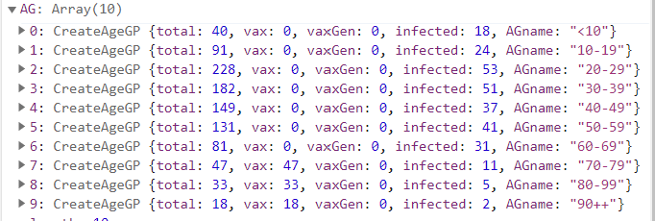

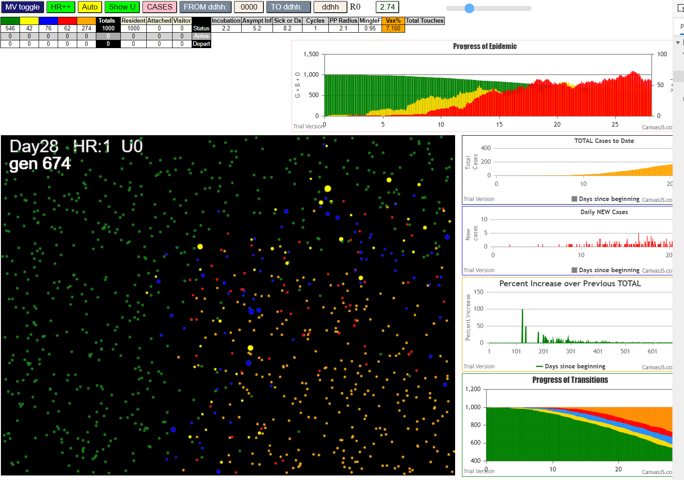

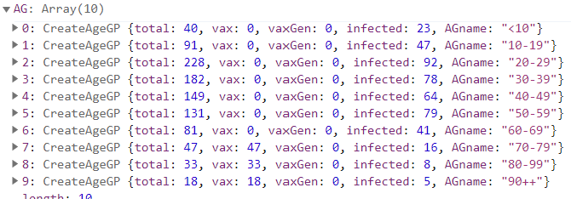

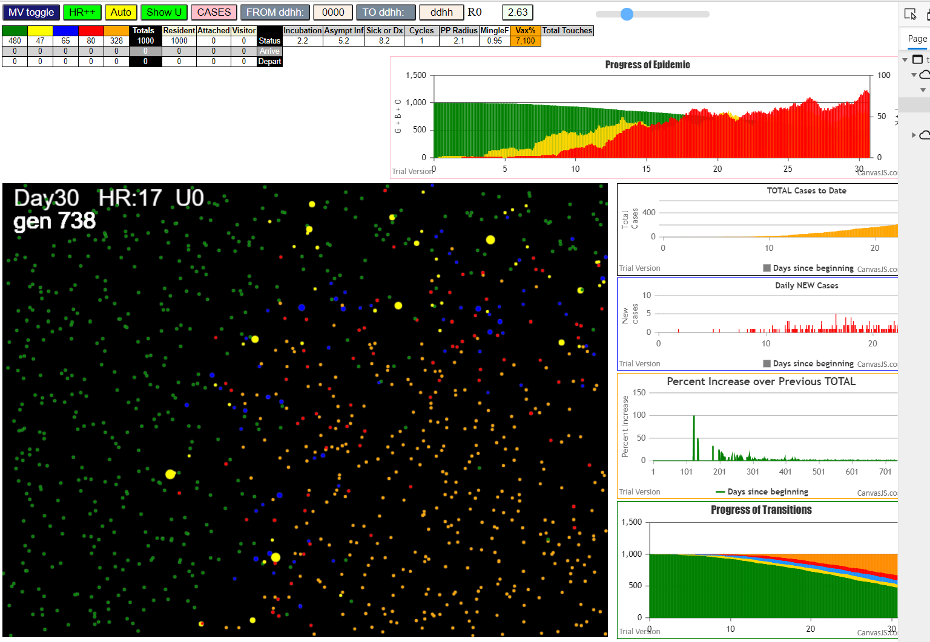

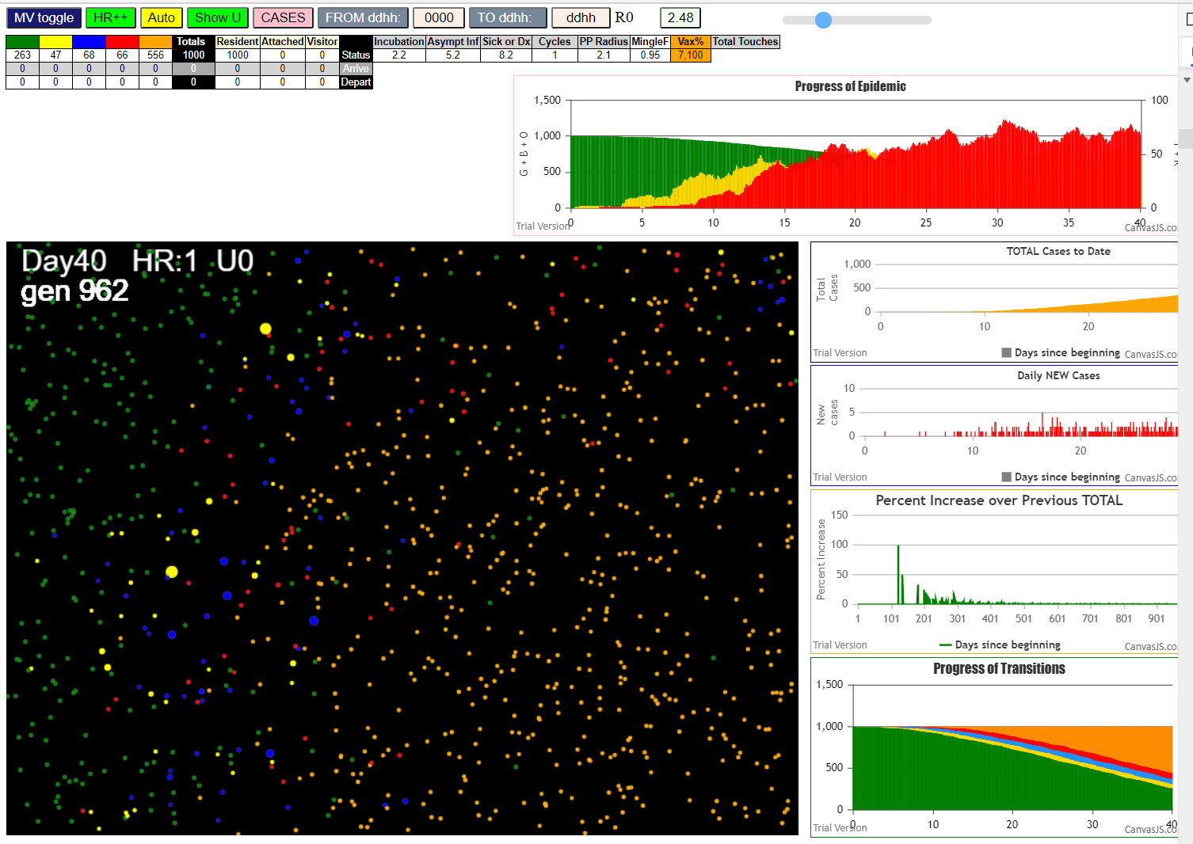

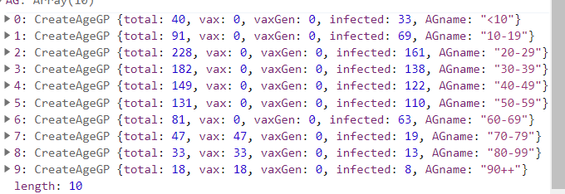

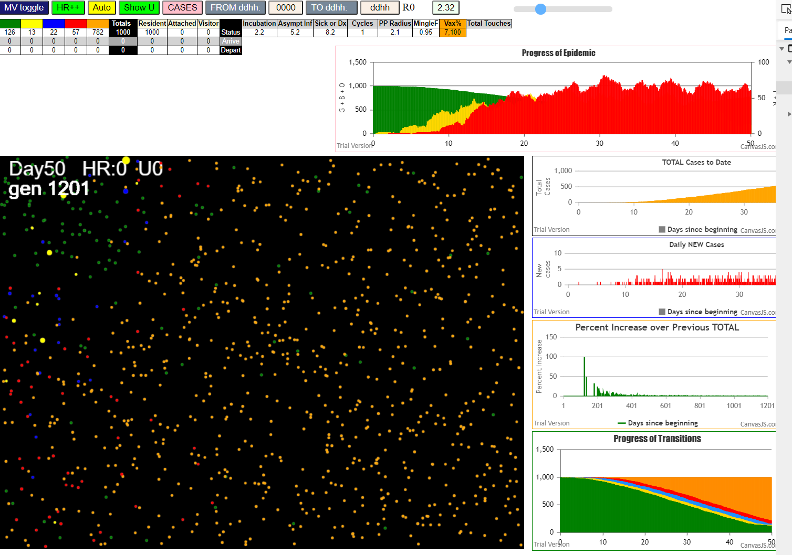

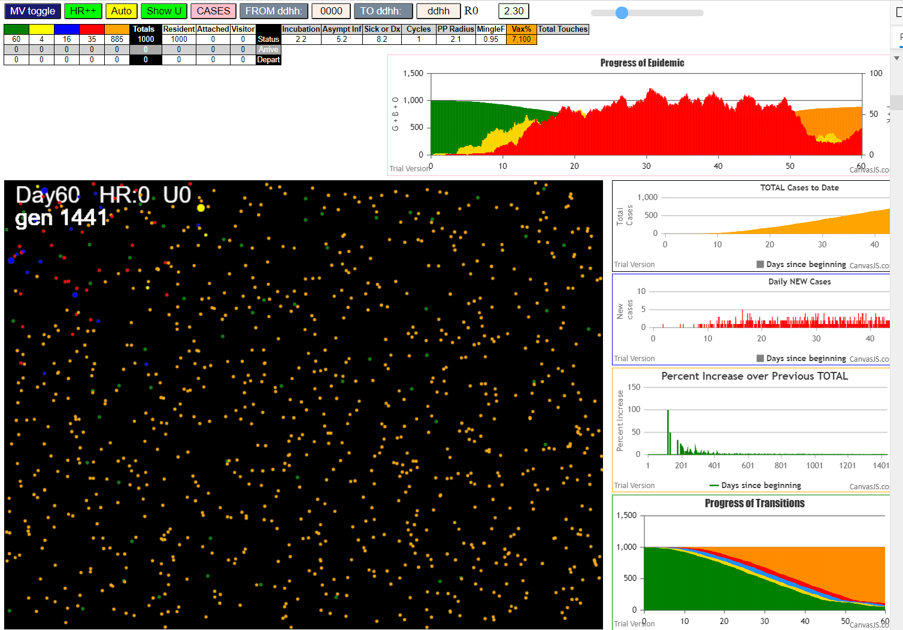

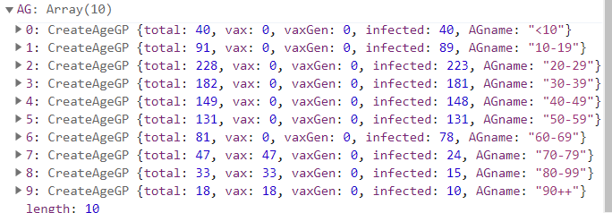

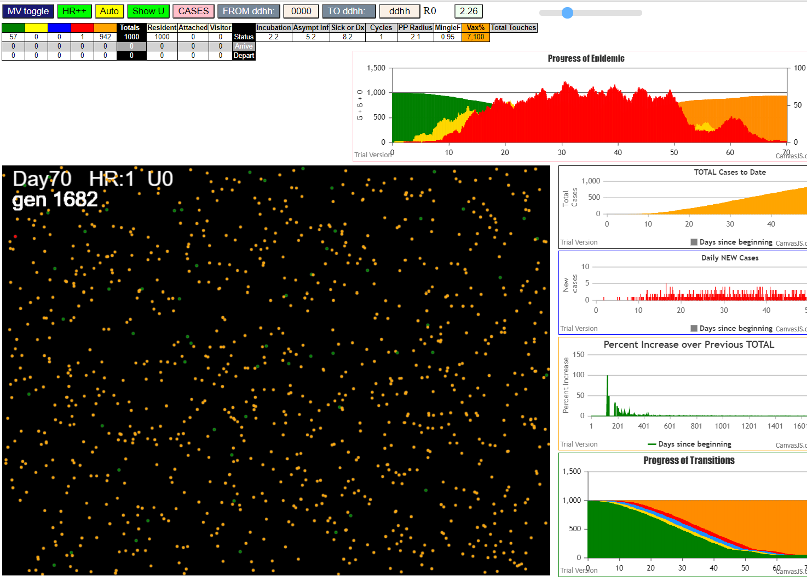

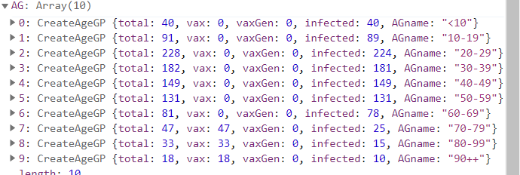

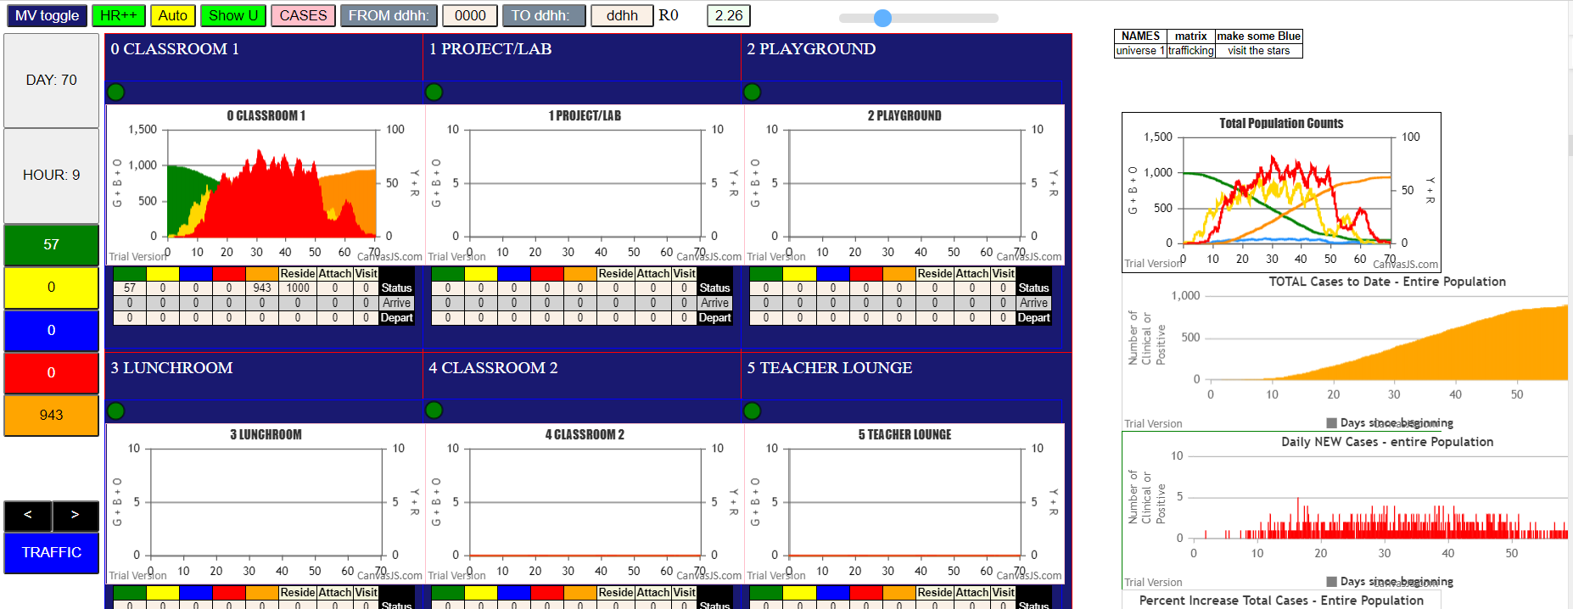

Some messages have been moved to the Issues panel.
AgeVaxH35.js:871 Sat Jan 23 2021 15:40:52 GMT-0800 (Pacific Standard Time)
AgeVaxH35.js:872 CovidSIMVL Mode1 and Mod2 Hybrid 35d
AgeVaxH35.js:873 Mode 1 >13 and <36 is 75%
AgeVaxH35.js:874 Mode 2 >28 is 95%; >13 and <29 is 75%
AgeVaxH35.js:4464 exit covidSim
AgeVaxH35.js:23 getAsText File {name: "Popn1000.csv", lastModified: 1611430642000, lastModifiedDate: Sat Jan 23 2021 11:37:22 GMT-0800 (Pacific Standard Time), webkitRelativePath: "", size: 23944, …}
AgeVaxH35.js:32 File {name: "Popn1000.csv", lastModified: 1611430642000, lastModifiedDate: Sat Jan 23 2021 11:37:22 GMT-0800 (Pacific Standard Time), webkitRelativePath: "", size: 23944, …}
AgeVaxH35.js:23 getAsText File {name: "VL1ageGp2.csv", lastModified: 1611004274000, lastModifiedDate: Mon Jan 18 2021 13:11:14 GMT-0800 (Pacific Standard Time), webkitRelativePath: "", size: 65, …}
AgeVaxH35.js:32 File {name: "VL1ageGp2.csv", lastModified: 1611004274000, lastModifiedDate: Mon Jan 18 2021 13:11:14 GMT-0800 (Pacific Standard Time), webkitRelativePath: "", size: 65, …}
AgeVaxH35.js:1675 Red Days changed to 8.2
AgeVaxH35.js:1697 New Hazard Radius = 2.1
AgeVaxH35.js:1711 new Mingle Factor = 0.95
AgeVaxH35.js:1719 Age Group 9,100 1st shot; 2nd auto in 35days
AgeVaxH35.js:1725 AgeGp =9 To be vaccinated=100%
AgeVaxH35.js:1736 (1000) [0, 1, 2, 3, 4, 5, 6, 7, 8, 9, 10, 11, 12, 13, 14, 15, 16, 17, 18, 19, 20, 21, 22, 23, 24, 25, 26, 27, 28, 29, 30, 31, 32, 33, 34, 35, 36, 37, 38, 39, 40, 41, 42, 43, 44, 45, 46, 47, 48, 49, 50, 51, 52, 53, 54, 55, 56, 57, 58, 59, 60, 61, 62, 63, 64, 65, 66, 67, 68, 69, 70, 71, 72, 73, 74, 75, 76, 77, 78, 79, 80, 81, 82, 83, 84, 85, 86, 87, 88, 89, 90, 91, 92, 93, 94, 95, 96, 97, 98, 99, …]
AgeVaxH35.js:1752 ageGp9 count: 18 List: 982,983,984,985,986,987,988,989,990,991,992,993,994,995,996,997,998,999
AgeVaxH35.js:1780 Vaccination list = 18
AgeVaxH35.js:1794 AgeGp9 vaccinated 18 List: 997,983,982,989,996,988,987,995,999,991,998,985,986,992,984,993,994,990
AgeVaxH35.js:1719 Age Group 8,100 1st shot; 2nd auto in 35days
AgeVaxH35.js:1725 AgeGp =8 To be vaccinated=100%
AgeVaxH35.js:1736 (1000) [0, 1, 2, 3, 4, 5, 6, 7, 8, 9, 10, 11, 12, 13, 14, 15, 16, 17, 18, 19, 20, 21, 22, 23, 24, 25, 26, 27, 28, 29, 30, 31, 32, 33, 34, 35, 36, 37, 38, 39, 40, 41, 42, 43, 44, 45, 46, 47, 48, 49, 50, 51, 52, 53, 54, 55, 56, 57, 58, 59, 60, 61, 62, 63, 64, 65, 66, 67, 68, 69, 70, 71, 72, 73, 74, 75, 76, 77, 78, 79, 80, 81, 82, 83, 84, 85, 86, 87, 88, 89, 90, 91, 92, 93, 94, 95, 96, 97, 98, 99, …]
AgeVaxH35.js:1752 ageGp8 count: 33 List: 949,950,951,952,953,954,955,956,957,958,959,960,961,962,963,964,965,966,967,968,969,970,971,972,973,974,975,976,977,978,979,980,981
AgeVaxH35.js:1780 Vaccination list = 33
AgeVaxH35.js:1794 AgeGp8 vaccinated 33 List: 963,956,971,964,970,977,954,949,979,974,973,962,952,955,978,980,953,951,958,976,966,965,961,969,950,957,981,975,967,972,959,968,960
AgeVaxH35.js:1719 Age Group 7,100 1st shot; 2nd auto in 35days
AgeVaxH35.js:1725 AgeGp =7 To be vaccinated=100%
AgeVaxH35.js:1736 (1000) [0, 1, 2, 3, 4, 5, 6, 7, 8, 9, 10, 11, 12, 13, 14, 15, 16, 17, 18, 19, 20, 21, 22, 23, 24, 25, 26, 27, 28, 29, 30, 31, 32, 33, 34, 35, 36, 37, 38, 39, 40, 41, 42, 43, 44, 45, 46, 47, 48, 49, 50, 51, 52, 53, 54, 55, 56, 57, 58, 59, 60, 61, 62, 63, 64, 65, 66, 67, 68, 69, 70, 71, 72, 73, 74, 75, 76, 77, 78, 79, 80, 81, 82, 83, 84, 85, 86, 87, 88, 89, 90, 91, 92, 93, 94, 95, 96, 97, 98, 99, …]
AgeVaxH35.js:1752 ageGp7 count: 47 List: 902,903,904,905,906,907,908,909,910,911,912,913,914,915,916,917,918,919,920,921,922,923,924,925,926,927,928,929,930,931,932,933,934,935,936,937,938,939,940,941,942,943,944,945,946,947,948
AgeVaxH35.js:1780 Vaccination list = 47
AgeVaxH35.js:1794 AgeGp7 vaccinated 47 List: 917,936,934,945,902,908,910,927,932,939,911,914,942,940,944,948,928,916,933,923,947,915,943,941,918,930,904,920,929,919,907,931,913,937,926,946,912,909,925,938,905,906,924,903,921,935,922
​ 1I x:ageGp:fam 234:2:-1 by blue 150:2:-1 at gen6 Univ0 prob=0.562
​ 2I x:ageGp:fam 862:6:-1 by blue 150:2:-1 at gen13 Univ0 prob=0.216
​ 3I x:ageGp:fam 718:5:-1 by red 150:2:-1 at gen62 Univ0 prob=0.176
​ 4I x:ageGp:fam 36:0:-1 by blue 234:2:-1 at gen84 Univ0 prob=0.289
​ 4I x:ageGp:fam 32:0:-1 by blue 862:6:-1 at gen85 Univ0 prob=0.847
​ 4I x:ageGp:fam 178:2:-1 by blue 234:2:-1 at gen85 Univ0 prob=0.567
​ 7I x:ageGp:fam 811:5:-1 by blue 234:2:-1 at gen89 Univ0 prob=0.258
​ 8I x:ageGp:fam 68:1:-1 by blue 862:6:-1 at gen91 Univ0 prob=0.938
​ 8I x:ageGp:fam 651:4:-1 by red 150:2:-1 at gen91 Univ0 prob=0.783
​ 8I x:ageGp:fam 799:5:-1 by blue 862:6:-1 at gen91 Univ0 prob=0.711
​ 11I x:ageGp:fam 723:5:-1 by blue 234:2:-1 at gen96 Univ0 prob=0.892
​ 12I x:ageGp:fam 861:6:-1 by blue 234:2:-1 at gen110 Univ0 prob=0.340
​ 12I x:ageGp:fam 51:1:-1 by red 150:2:-1 at gen111 Univ0 prob=0.457
​ 14I x:ageGp:fam 286:2:-1 by red 150:2:-1 at gen114 Univ0 prob=0.780
​ 15I x:ageGp:fam 932:7:-1 by blue 862:6:-1 at gen125 Univ0 prob=0.220
​ 16I x:ageGp:fam 585:4:-1 by blue 32:0:-1 at gen137 Univ0 prob=0.099
​ 17I x:ageGp:fam 946:7:-1 by red 862:6:-1 at gen141 Univ0 prob=0.650
​ 18I x:ageGp:fam 539:3:-1 by red 862:6:-1 at gen143 Univ0 prob=0.603
​ 18I x:ageGp:fam 661:4:-1 by red 862:6:-1 at gen143 Univ0 prob=0.062
​ 20I x:ageGp:fam 599:4:-1 by blue 718:5:-1 at gen145 Univ0 prob=0.483
​ 21I x:ageGp:fam 813:5:-1 by red 234:2:-1 at gen149 Univ0 prob=0.772
​ 22I x:ageGp:fam 143:2:-1 by red 234:2:-1 at gen154 Univ0 prob=0.679
​ 23I x:ageGp:fam 434:3:-1 by blue 811:5:-1 at gen162 Univ0 prob=0.281
​ 24I x:ageGp:fam 768:5:-1 by blue 32:0:-1 at gen167 Univ0 prob=0.887
​ 24I x:ageGp:fam 864:6:-1 by blue 68:1:-1 at gen167 Univ0 prob=0.297
​ 24I x:ageGp:fam 136:2:-1 by blue 651:4:-1 at gen168 Univ0 prob=0.350
​ 26I x:ageGp:fam 11:0:-1 by blue 286:2:-1 at gen169 Univ0 prob=0.919
​ 26I x:ageGp:fam 857:6:-1 by yellow 434:3:-1 at gen169 Univ0 prob=0.772
​ 27I x:ageGp:fam 409:3:-1 by blue 68:1:-1 at gen170 Univ0 prob=0.780
​ 27I x:ageGp:fam 225:2:-1 by yellow 434:3:-1 at gen170 Univ0 prob=0.077
​ 27I x:ageGp:fam 365:3:-1 by blue 811:5:-1 at gen170 Univ0 prob=0.449
​ 29I x:ageGp:fam 226:2:-1 by yellow 365:3:-1 at gen171 Univ0 prob=0.081
​ 33I x:ageGp:fam 798:5:-1 by red 862:6:-1 at gen175 Univ0 prob=0.855
​ 34I x:ageGp:fam 912:7:-1 by blue 723:5:-1 at gen179 Univ0 prob=0.323
​ 34I x:ageGp:fam 14:0:-1 by blue 861:6:-1 at gen180 Univ0 prob=0.347
​ 36I x:ageGp:fam 894:6:-1 by red 862:6:-1 at gen183 Univ0 prob=0.658
​ 37I x:ageGp:fam 883:6:-1 by yellow 585:4:-1 at gen186 Univ0 prob=0.934
​ 37I x:ageGp:fam 100:1:-1 by blue 51:1:-1 at gen187 Univ0 prob=0.566
​ 37I x:ageGp:fam 231:2:-1 by blue 286:2:-1 at gen187 Univ0 prob=0.280
​ 37I x:ageGp:fam 913:7:-1 by blue 286:2:-1 at gen187 Univ0 prob=0.502
​ 41I x:ageGp:fam 306:2:-1 by blue 51:1:-1 at gen189 Univ0 prob=0.890
​ 41I x:ageGp:fam 444:3:-1 by blue 723:5:-1 at gen189 Univ0 prob=0.254
​ 41I x:ageGp:fam 209:2:-1 by blue 68:1:-1 at gen190 Univ0 prob=0.622
​ 44I x:ageGp:fam 457:3:-1 by blue 723:5:-1 at gen195 Univ0 prob=0.944
​ 45I x:ageGp:fam 53:1:-1 by blue 599:4:-1 at gen198 Univ0 prob=0.886
​ 45I x:ageGp:fam 534:3:-1 by blue 723:5:-1 at gen198 Univ0 prob=0.084
​ 45I x:ageGp:fam 818:5:-1 by blue 599:4:-1 at gen198 Univ0 prob=0.494
​ 45I x:ageGp:fam 785:5:-1 by blue 599:4:-1 at gen199 Univ0 prob=0.877
​ 49I x:ageGp:fam 74:1:-1 by blue 723:5:-1 at gen201 Univ0 prob=0.825
​ 49I x:ageGp:fam 937:7:-1 by red 36:0:-1 at gen202 Univ0 prob=0.977
​ 51I x:ageGp:fam 107:1:-1 by blue 946:7:-1 at gen209 Univ0 prob=0.705
​ 51I x:ageGp:fam 64:1:-1 by blue 585:4:-1 at gen210 Univ0 prob=0.194
​ 53I x:ageGp:fam 391:3:-1 by blue 434:3:-1 at gen212 Univ0 prob=0.111
​ 54I x:ageGp:fam 748:5:-1 by blue 51:1:-1 at gen215 Univ0 prob=0.645
​ 54I x:ageGp:fam 602:4:-1 by blue 723:5:-1 at gen216 Univ0 prob=0.614
​ 54I x:ageGp:fam 659:4:-1 by blue 723:5:-1 at gen216 Univ0 prob=0.827
​ 54I x:ageGp:fam 810:5:-1 by blue 946:7:-1 at gen216 Univ0 prob=0.154
​ 55I x:ageGp:fam 641:4:-1 by blue 286:2:-1 at gen217 Univ0 prob=0.461
​ 59I x:ageGp:fam 989:9:-1 by blue 11:0:-1 at gen219 Univ0 prob=0.806
​ 60I x:ageGp:fam 734:5:-1 by blue 946:7:-1 at gen222 Univ0 prob=0.537
​ 60I x:ageGp:fam 758:5:-1 by blue 599:4:-1 at gen223 Univ0 prob=0.053
​ 62I x:ageGp:fam 887:6:-1 by blue 225:2:-1 at gen227 Univ0 prob=0.000
​ 62I x:ageGp:fam 764:5:-1 by blue 813:5:-1 at gen227 Univ0 prob=0.243
​ 64I x:ageGp:fam 384:3:-1 by blue 409:3:-1 at gen229 Univ0 prob=0.138
​ 65I x:ageGp:fam 199:2:-1 by red 723:5:-1 at gen232 Univ0 prob=0.253
​ 66I x:ageGp:fam 765:5:-1 by blue 434:3:-1 at gen234 Univ0 prob=0.217
​ 67I x:ageGp:fam 355:2:-1 by blue 143:2:-1 at gen237 Univ0 prob=0.329
​ 68I x:ageGp:fam 952:8:-1 by red 286:2:-1 at gen240 Univ0 prob=0.898
​ 68I x:ageGp:fam 140:2:-1 by red 723:5:-1 at gen241 Univ0 prob=0.069
​ 70I x:ageGp:fam 515:3:-1 by blue 11:0:-1 at gen244 Univ0 prob=0.711
​ 71I x:ageGp:fam 172:2:-1 by blue 14:0:-1 at gen246 Univ0 prob=0.289
​ 71I x:ageGp:fam 58:1:-1 by blue 599:4:-1 at gen246 Univ0 prob=0.234
​ 71I x:ageGp:fam 487:3:-1 by red 286:2:-1 at gen246 Univ0 prob=0.013
​ 74I x:ageGp:fam 453:3:-1 by blue 599:4:-1 at gen249 Univ0 prob=0.676
​ 74I x:ageGp:fam 129:1:-1 by red 286:2:-1 at gen250 Univ0 prob=0.635
​ 74I x:ageGp:fam 461:3:-1 by yellow 453:3:-1 at gen250 Univ0 prob=0.087
​ 77I x:ageGp:fam 897:6:-1 by blue 14:0:-1 at gen254 Univ0 prob=0.136
​ 77I x:ageGp:fam 133:2:-1 by blue 100:1:-1 at gen254 Univ0 prob=0.108
​ 79I x:ageGp:fam 392:3:-1 by blue 457:3:-1 at gen259 Univ0 prob=0.735
​ 79I x:ageGp:fam 966:8:-1 by blue 913:7:-1 at gen260 Univ0 prob=0.007
​ 81I x:ageGp:fam 287:2:-1 by red 286:2:-1 at gen262 Univ0 prob=0.027
​ 81I x:ageGp:fam 967:8:-1 by blue 913:7:-1 at gen262 Univ0 prob=0.414
​ 81I x:ageGp:fam 277:2:-1 by blue 913:7:-1 at gen263 Univ0 prob=0.581
​ 83I x:ageGp:fam 327:2:-1 by blue 913:7:-1 at gen264 Univ0 prob=0.156
​ 83I x:ageGp:fam 498:3:-1 by blue 457:3:-1 at gen264 Univ0 prob=0.660
​ 86I x:ageGp:fam 579:4:-1 by red 51:1:-1 at gen267 Univ0 prob=0.725
​ 87I x:ageGp:fam 839:6:-1 by blue 602:4:-1 at gen269 Univ0 prob=0.059
​ 87I x:ageGp:fam 790:5:-1 by red 861:6:-1 at gen270 Univ0 prob=0.530
​ 87I x:ageGp:fam 970:8:-1 by red 861:6:-1 at gen270 Univ0 prob=0.644
​ 88I x:ageGp:fam 155:2:-1 by blue 457:3:-1 at gen271 Univ0 prob=0.189
​ 90I x:ageGp:fam 415:3:-1 by blue 913:7:-1 at gen272 Univ0 prob=0.279
​ 90I x:ageGp:fam 621:4:-1 by blue 434:3:-1 at gen272 Univ0 prob=0.483
​ 90I x:ageGp:fam 532:3:-1 by yellow 970:8:-1 at gen272 Univ0 prob=0.424
​ 91I x:ageGp:fam 488:3:-1 by blue 64:1:-1 at gen273 Univ0 prob=0.754
​ 95I x:ageGp:fam 508:3:-1 by red 723:5:-1 at gen276 Univ0 prob=0.984
​ 95I x:ageGp:fam 655:4:-1 by blue 818:5:-1 at gen276 Univ0 prob=0.780
​ 95I x:ageGp:fam 42:1:-1 by red 286:2:-1 at gen277 Univ0 prob=0.144
​ 95I x:ageGp:fam 329:2:-1 by blue 434:3:-1 at gen277 Univ0 prob=0.268
​ 95I x:ageGp:fam 403:3:-1 by blue 434:3:-1 at gen277 Univ0 prob=0.655
​ 97I x:ageGp:fam 856:6:-1 by blue 74:1:-1 at gen278 Univ0 prob=0.309
​ 101I x:ageGp:fam 740:5:-1 by red 286:2:-1 at gen283 Univ0 prob=0.979
​ 101I x:ageGp:fam 869:6:-1 by red 286:2:-1 at gen284 Univ0 prob=0.327
​ 101I x:ageGp:fam 364:3:-1 by blue 913:7:-1 at gen284 Univ0 prob=0.423
​ 104I x:ageGp:fam 733:5:-1 by blue 785:5:-1 at gen288 Univ0 prob=0.508
​ 105I x:ageGp:fam 105:1:-1 by red 434:3:-1 at gen290 Univ0 prob=0.432
​ 105I x:ageGp:fam 138:2:-1 by yellow 140:2:-1 at gen290 Univ0 prob=0.294
​ 105I x:ageGp:fam 908:7:-1 by blue 199:2:-1 at gen291 Univ0 prob=0.824
​ 107I x:ageGp:fam 732:5:-1 by blue 785:5:-1 at gen292 Univ0 prob=0.645
​ 109I x:ageGp:fam 166:2:-1 by blue 457:3:-1 at gen295 Univ0 prob=0.440
​ 109I x:ageGp:fam 658:4:-1 by red 409:3:-1 at gen295 Univ0 prob=0.348
​ 111I x:ageGp:fam 405:3:-1 by blue 457:3:-1 at gen299 Univ0 prob=0.426
​ 111I x:ageGp:fam 763:5:-1 by blue 487:3:-1 at gen299 Univ0 prob=0.966
​ 113I x:ageGp:fam 326:2:-1 by red 226:2:-1 at gen301 Univ0 prob=0.301
​ 113I x:ageGp:fam 62:1:-1 by blue 602:4:-1 at gen302 Univ0 prob=0.553
​ 114I x:ageGp:fam 160:2:-1 by blue 461:3:-1 at gen303 Univ0 prob=0.427
​ 116I x:ageGp:fam 730:5:-1 by blue 453:3:-1 at gen305 Univ0 prob=0.050
​ 116I x:ageGp:fam 48:1:-1 by blue 457:3:-1 at gen306 Univ0 prob=0.182
​ 116I x:ageGp:fam 419:3:-1 by blue 887:6:-1 at gen306 Univ0 prob=0.301
​ 119I x:ageGp:fam 26:0:-1 by blue 53:1:-1 at gen308 Univ0 prob=0.107
​ 119I x:ageGp:fam 282:2:-1 by blue 966:8:-1 at gen308 Univ0 prob=0.135
​ 121I x:ageGp:fam 838:6:-1 by blue 952:8:-1 at gen310 Univ0 prob=0.793
​ 121I x:ageGp:fam 312:2:-1 by blue 287:2:-1 at gen311 Univ0 prob=0.996
​ 122I x:ageGp:fam 284:2:-1 by blue 129:1:-1 at gen312 Univ0 prob=0.002
​ 122I x:ageGp:fam 697:5:-1 by blue 355:2:-1 at gen312 Univ0 prob=0.420
​ 125I x:ageGp:fam 34:0:-1 by blue 952:8:-1 at gen314 Univ0 prob=0.624
​ 125I x:ageGp:fam 93:1:-1 by blue 140:2:-1 at gen314 Univ0 prob=0.552
​ 125I x:ageGp:fam 96:1:-1 by red 225:2:-1 at gen314 Univ0 prob=0.332
​ 125I x:ageGp:fam 656:4:-1 by red 225:2:-1 at gen314 Univ0 prob=0.601
​ 125I x:ageGp:fam 936:7:-1 by red 457:3:-1 at gen314 Univ0 prob=0.043
​ 125I x:ageGp:fam 477:3:-1 by blue 966:8:-1 at gen314 Univ0 prob=0.638
​ 131I x:ageGp:fam 610:4:-1 by blue 355:2:-1 at gen316 Univ0 prob=0.537
​ 131I x:ageGp:fam 4:0:-1 by blue 140:2:-1 at gen317 Univ0 prob=0.275
​ 131I x:ageGp:fam 433:3:-1 by blue 487:3:-1 at gen317 Univ0 prob=0.084
​ 131I x:ageGp:fam 583:4:-1 by blue 602:4:-1 at gen317 Univ0 prob=0.210
​ 135I x:ageGp:fam 512:3:-1 by red 913:7:-1 at gen319 Univ0 prob=0.140
​ 136I x:ageGp:fam 867:6:-1 by blue 140:2:-1 at gen321 Univ0 prob=0.013
​ 136I x:ageGp:fam 787:5:-1 by blue 140:2:-1 at gen322 Univ0 prob=0.549
​ 138I x:ageGp:fam 833:6:-1 by blue 140:2:-1 at gen325 Univ0 prob=0.691
​ 138I x:ageGp:fam 528:3:-1 by blue 487:3:-1 at gen326 Univ0 prob=0.679
​ 138I x:ageGp:fam 636:4:-1 by blue 970:8:-1 at gen326 Univ0 prob=0.537
​ 139I x:ageGp:fam 895:6:-1 by blue 58:1:-1 at gen327 Univ0 prob=0.518
​ 141I x:ageGp:fam 196:2:-1 by red 785:5:-1 at gen328 Univ0 prob=0.459
​ 143I x:ageGp:fam 698:5:-1 by blue 952:8:-1 at gen334 Univ0 prob=0.650
​ 143I x:ageGp:fam 25:0:-1 by red 457:3:-1 at gen335 Univ0 prob=0.690
​ 145I x:ageGp:fam 664:4:-1 by blue 453:3:-1 at gen337 Univ0 prob=0.252
​ 146I x:ageGp:fam 759:5:-1 by blue 487:3:-1 at gen339 Univ0 prob=0.622
​ 146I x:ageGp:fam 514:3:-1 by red 641:4:-1 at gen339 Univ0 prob=0.639
​ 146I x:ageGp:fam 570:4:-1 by blue 327:2:-1 at gen340 Univ0 prob=0.626
​ Vax prevented 931 ageGp7 by 415 gen340
​ 148I x:ageGp:fam 831:6:-1 by blue 733:5:-1 at gen341 Univ0 prob=0.566
​ Vax prevented 918 ageGp7 by 913 gen341
​ Vax prevented 937 ageGp7 by 887 gen342
​ 150I x:ageGp:fam 6:0:-1 by blue 415:3:-1 at gen344 Univ0 prob=0.483
​ 150I x:ageGp:fam 223:2:-1 by blue 453:3:-1 at gen344 Univ0 prob=0.572
​ 150I x:ageGp:fam 578:4:-1 by blue 277:2:-1 at gen344 Univ0 prob=0.298
​ Vax prevented 931 ageGp7 by 415 gen344
​ Vax prevented 937 ageGp7 by 226 gen348
​ 153I x:ageGp:fam 90:1:-1 by blue 327:2:-1 at gen349 Univ0 prob=0.062
​ Vax prevented 936 ageGp7 by 457 gen349
​ 153I x:ageGp:fam 802:5:-1 by blue 869:6:-1 at gen349 Univ0 prob=0.774
​ 153I x:ageGp:fam 668:4:-1 by red 457:3:-1 at gen350 Univ0 prob=0.006
​ Vax prevented 936 ageGp7 by 457 gen350
​ 155I x:ageGp:fam 320:2:-1 by blue 415:3:-1 at gen351 Univ0 prob=0.039
​ Vax prevented 937 ageGp7 by 621 gen351
​ Vax prevented 908 ageGp7 by 659 gen353
​ 157I x:ageGp:fam 177:2:-1 by blue 856:6:-1 at gen354 Univ0 prob=0.178
​ Vax prevented 936 ageGp7 by 970 gen354
​ 157I x:ageGp:fam 770:5:-1 by blue 487:3:-1 at gen355 Univ0 prob=0.277
​ 158I x:ageGp:fam 689:4:-1 by blue 655:4:-1 at gen356 Univ0 prob=0.911
​ Vax prevented 936 ageGp7 by 970 gen356
​ 159I x:ageGp:fam 791:5:-1 by blue 740:5:-1 at gen357 Univ0 prob=0.613
​ Vax prevented 912 ageGp7 by 14 gen361
​ Vax prevented 912 ageGp7 by 172 gen364
​ Vax prevented 913 ageGp7 by 364 gen364
​ 161I x:ageGp:fam 450:3:-1 by blue 740:5:-1 at gen364 Univ0 prob=0.885
​ 161I x:ageGp:fam 832:6:-1 by blue 138:2:-1 at gen365 Univ0 prob=0.885
​ Vax prevented 913 ageGp7 by 364 gen365
​ 162I x:ageGp:fam 878:6:-1 by blue 282:2:-1 at gen366 Univ0 prob=0.332
​ Vax prevented 920 ageGp7 by 282 gen366
​ Vax prevented 913 ageGp7 by 364 gen366
​ 162I x:ageGp:fam 874:6:-1 by blue 869:6:-1 at gen366 Univ0 prob=0.382
​ 165I x:ageGp:fam 866:6:-1 by red 913:7:-1 at gen369 Univ0 prob=0.243
​ 165I x:ageGp:fam 593:4:-1 by blue 327:2:-1 at gen370 Univ0 prob=0.733
​ 165I x:ageGp:fam 841:6:-1 by blue 970:8:-1 at gen370 Univ0 prob=0.263
​ 166I x:ageGp:fam 370:3:-1 by blue 327:2:-1 at gen371 Univ0 prob=0.400
​ 166I x:ageGp:fam 752:5:-1 by red 457:3:-1 at gen371 Univ0 prob=0.170
​ 170I x:ageGp:fam 15:0:-1 by blue 740:5:-1 at gen373 Univ0 prob=0.468
​ 170I x:ageGp:fam 38:0:-1 by blue 856:6:-1 at gen374 Univ0 prob=0.734
​ 171I x:ageGp:fam 807:5:-1 by blue 364:3:-1 at gen375 Univ0 prob=0.944
​ Vax prevented 928 ageGp7 by 895 gen377
​ 173I x:ageGp:fam 854:6:-1 by blue 403:3:-1 at gen378 Univ0 prob=0.503
​ 173I x:ageGp:fam 760:5:-1 by blue 415:3:-1 at gen378 Univ0 prob=0.248
​ 173I x:ageGp:fam 830:6:-1 by blue 856:6:-1 at gen378 Univ0 prob=0.226
​ Vax prevented 928 ageGp7 by 895 gen378
​ Vax prevented 937 ageGp7 by 419 gen379
​ 176I x:ageGp:fam 414:3:-1 by blue 415:3:-1 at gen380 Univ0 prob=0.172
​ Vax prevented 997 ageGp9 by 833 gen380
​ Vax prevented 967 ageGp8 by 952 gen381
​ 177I x:ageGp:fam 782:5:-1 by blue 4:0:-1 at gen384 Univ0 prob=0.206
​ 177I x:ageGp:fam 418:3:-1 by red 327:2:-1 at gen384 Univ0 prob=0.367
​ 177I x:ageGp:fam 402:3:-1 by blue 415:3:-1 at gen384 Univ0 prob=0.123
​ Vax prevented 952 ageGp8 by 967 gen384
​ 177I x:ageGp:fam 592:4:-1 by blue 698:5:-1 at gen385 Univ0 prob=0.852
​ No transmit 952 ageGp8 on 967 ageGp8 gen385
​ Vax prevented 902 ageGp7 by 93 gen387
​ 181I x:ageGp:fam 685:4:-1 by blue 869:6:-1 at gen387 Univ0 prob=0.821
​ Vax prevented 952 ageGp8 by 140 gen388
​ 182I x:ageGp:fam 637:4:-1 by blue 93:1:-1 at gen389 Univ0 prob=0.671
​ Vax prevented 970 ageGp8 by 277 gen390
​ 182I x:ageGp:fam 513:3:-1 by blue 869:6:-1 at gen390 Univ0 prob=0.775
​ 183I x:ageGp:fam 307:2:-1 by blue 93:1:-1 at gen391 Univ0 prob=0.475
​ 183I x:ageGp:fam 565:4:-1 by blue 869:6:-1 at gen391 Univ0 prob=0.707
​ 186I x:ageGp:fam 705:5:-1 by blue 787:5:-1 at gen394 Univ0 prob=0.188
​ Vax prevented 989 ageGp9 by 172 gen395
​ 186I x:ageGp:fam 794:5:-1 by blue 312:2:-1 at gen395 Univ0 prob=0.219
​ 188I x:ageGp:fam 589:4:-1 by blue 364:3:-1 at gen397 Univ0 prob=0.027
​ 188I x:ageGp:fam 793:5:-1 by blue 512:3:-1 at gen397 Univ0 prob=0.561
​ Vax prevented 916 ageGp7 by 528 gen398
​ 190I x:ageGp:fam 216:2:-1 by blue 4:0:-1 at gen399 Univ0 prob=0.322
​ Vax prevented 916 ageGp7 by 528 gen399
​ 190I x:ageGp:fam 716:5:-1 by blue 833:6:-1 at gen399 Univ0 prob=0.805
​ 190I x:ageGp:fam 847:6:-1 by red 952:8:-1 at gen399 Univ0 prob=0.910
​ Vax prevented 931 ageGp7 by 6 gen401
​ 193I x:ageGp:fam 322:2:-1 by blue 867:6:-1 at gen401 Univ0 prob=0.347
​ 194I x:ageGp:fam 257:2:-1 by red 415:3:-1 at gen403 Univ0 prob=0.255
​ 194I x:ageGp:fam 918:7:-1 by blue 895:6:-1 at gen404 Univ0 prob=0.974
​ 195I x:ageGp:fam 285:2:-1 by blue 833:6:-1 at gen405 Univ0 prob=0.510
​ 196I x:ageGp:fam 345:2:-1 by red 869:6:-1 at gen406 Univ0 prob=0.837
​ Vax prevented 989 ageGp9 by 392 gen406
​ Vax prevented 938 ageGp7 by 697 gen406
​ 197I x:ageGp:fam 152:2:-1 by blue 802:5:-1 at gen407 Univ0 prob=0.327
​ 197I x:ageGp:fam 358:2:-1 by blue 867:6:-1 at gen407 Univ0 prob=0.853
​ 197I x:ageGp:fam 635:4:-1 by red 655:4:-1 at gen407 Univ0 prob=0.288
​ 198I x:ageGp:fam 885:6:-1 by blue 4:0:-1 at gen408 Univ0 prob=0.581
​ 201I x:ageGp:fam 421:3:-1 by blue 833:6:-1 at gen409 Univ0 prob=0.049
​ 203I x:ageGp:fam 825:6:-1 by blue 732:5:-1 at gen411 Univ0 prob=0.639
​ 204I x:ageGp:fam 60:1:-1 by blue 512:3:-1 at gen414 Univ0 prob=0.987
​ 204I x:ageGp:fam 386:3:-1 by blue 282:2:-1 at gen414 Univ0 prob=0.760
​ 204I x:ageGp:fam 330:2:-1 by blue 833:6:-1 at gen414 Univ0 prob=0.995
​ 204I x:ageGp:fam 475:3:-1 by blue 477:3:-1 at gen414 Univ0 prob=0.552
​ Vax prevented 970 ageGp8 by 664 gen414
​ 204I x:ageGp:fam 527:3:-1 by red 655:4:-1 at gen415 Univ0 prob=0.085
​ 209I x:ageGp:fam 29:0:-1 by blue 867:6:-1 at gen418 Univ0 prob=0.403
​ 209I x:ageGp:fam 521:3:-1 by blue 570:4:-1 at gen419 Univ0 prob=0.699
​ 209I x:ageGp:fam 639:4:-1 by red 952:8:-1 at gen419 Univ0 prob=0.452
​ 212I x:ageGp:fam 604:4:-1 by blue 6:0:-1 at gen421 Univ0 prob=0.061
​ 212I x:ageGp:fam 7:0:-1 by blue 512:3:-1 at gen421 Univ0 prob=0.059
​ Vax prevented 938 ageGp7 by 312 gen423
​ 214I x:ageGp:fam 39:0:-1 by blue 6:0:-1 at gen424 Univ0 prob=0.962
​ Vax prevented 908 ageGp7 by 160 gen424
​ Vax prevented 918 ageGp7 by 895 gen424
​ 214I x:ageGp:fam 900:6:-1 by blue 6:0:-1 at gen425 Univ0 prob=0.914
​ 216I x:ageGp:fam 851:6:-1 by blue 320:2:-1 at gen427 Univ0 prob=0.900
​ 216I x:ageGp:fam 893:6:-1 by blue 320:2:-1 at gen428 Univ0 prob=0.142
​ Vax prevented 908 ageGp7 by 160 gen429
​ 218I x:ageGp:fam 190:2:-1 by blue 4:0:-1 at gen430 Univ0 prob=0.494
​ Vax prevented 938 ageGp7 by 312 gen430
​ Vax prevented 935 ageGp7 by 532 gen430
​ 218I x:ageGp:fam 580:4:-1 by blue 689:4:-1 at gen430 Univ0 prob=0.850
​ Vax prevented 938 ageGp7 by 312 gen433
​ 220I x:ageGp:fam 817:5:-1 by red 405:3:-1 at gen433 Univ0 prob=0.626
​ Vax prevented 938 ageGp7 by 770 gen433
​ Vax prevented 935 ageGp7 by 532 gen434
​ Vax prevented 920 ageGp7 by 869 gen434
​ Vax prevented 938 ageGp7 by 312 gen435
​ 221I x:ageGp:fam 315:2:-1 by red 936:7:-1 at gen435 Univ0 prob=0.024
​ Vax prevented 935 ageGp7 by 664 gen435
​ Vax prevented 938 ageGp7 by 312 gen436
​ Vax prevented 938 ageGp7 by 312 gen437
​ Vax prevented 920 ageGp7 by 869 gen437
​ 222I x:ageGp:fam 701:5:-1 by red 4:0:-1 at gen438 Univ0 prob=0.311
​ 222I x:ageGp:fam 264:2:-1 by blue 782:5:-1 at gen439 Univ0 prob=0.025
​ Vax prevented 938 ageGp7 by 697 gen439
​ Vax prevented 916 ageGp7 by 878 gen441
​ 224I x:ageGp:fam 218:2:-1 by red 528:3:-1 at gen443 Univ0 prob=0.929
​ 224I x:ageGp:fam 502:3:-1 by blue 593:4:-1 at gen443 Univ0 prob=0.379
​ 226I x:ageGp:fam 413:3:-1 by red 697:5:-1 at gen446 Univ0 prob=0.165
​ 226I x:ageGp:fam 955:8:-1 by blue 593:4:-1 at gen446 Univ0 prob=0.758
​ Vax prevented 916 ageGp7 by 528 gen447
​ Vax prevented 916 ageGp7 by 528 gen448
​ 228I x:ageGp:fam 420:3:-1 by blue 320:2:-1 at gen450 Univ0 prob=0.646
​ Vax prevented 928 ageGp7 by 370 gen450
​ 228I x:ageGp:fam 91:1:-1 by blue 874:6:-1 at gen451 Univ0 prob=0.221
​ 228I x:ageGp:fam 191:2:-1 by blue 760:5:-1 at gen451 Univ0 prob=0.996
​ 228I x:ageGp:fam 242:2:-1 by blue 760:5:-1 at gen451 Univ0 prob=0.727
​ 228I x:ageGp:fam 275:2:-1 by red 787:5:-1 at gen451 Univ0 prob=0.030
​ 228I x:ageGp:fam 931:7:-1 by blue 370:3:-1 at gen451 Univ0 prob=0.915
​ 229I x:ageGp:fam 353:2:-1 by yellow 918:7:-1 at gen452 Univ0 prob=0.639
​ 229I x:ageGp:fam 648:4:-1 by blue 414:3:-1 at gen452 Univ0 prob=0.993
​ 236I x:ageGp:fam 66:1:-1 by red 833:6:-1 at gen454 Univ0 prob=0.059
​ 236I x:ageGp:fam 115:1:-1 by blue 414:3:-1 at gen454 Univ0 prob=0.648
​ Vax prevented 931 ageGp7 by 370 gen454
​ 236I x:ageGp:fam 393:3:-1 by blue 793:5:-1 at gen454 Univ0 prob=0.569
​ 236I x:ageGp:fam 341:2:-1 by red 833:6:-1 at gen455 Univ0 prob=0.441
​ 239I x:ageGp:fam 612:4:-1 by blue 320:2:-1 at gen456 Univ0 prob=0.908
​ 239I x:ageGp:fam 928:7:-1 by red 895:6:-1 at gen456 Univ0 prob=0.896
​ 240I x:ageGp:fam 657:4:-1 by blue 6:0:-1 at gen457 Univ0 prob=0.385
​ 242I x:ageGp:fam 75:1:-1 by red 732:5:-1 at gen458 Univ0 prob=0.148
​ 243I x:ageGp:fam 30:0:-1 by red 833:6:-1 at gen459 Univ0 prob=0.080
​ 243I x:ageGp:fam 938:7:-1 by red 759:5:-1 at gen459 Univ0 prob=0.914
​ 244I x:ageGp:fam 168:2:-1 by blue 918:7:-1 at gen460 Univ0 prob=0.361
​ Vax prevented 931 ageGp7 by 370 gen460
​ 247I x:ageGp:fam 52:1:-1 by blue 402:3:-1 at gen462 Univ0 prob=0.592
​ 247I x:ageGp:fam 550:4:-1 by blue 513:3:-1 at gen463 Univ0 prob=0.824
​ 247I x:ageGp:fam 550:4:-1 by blue 802:5:-1 at gen463 Univ0 prob=0.631
​ 248I x:ageGp:fam 387:3:-1 by red 4:0:-1 at gen464 Univ0 prob=0.937
​ 248I x:ageGp:fam 344:2:-1 by blue 421:3:-1 at gen464 Univ0 prob=0.086
​ Vax prevented 931 ageGp7 by 370 gen464
​ 249I x:ageGp:fam 5:0:-1 by blue 716:5:-1 at gen465 Univ0 prob=0.346
​ 252I x:ageGp:fam 356:2:-1 by red 787:5:-1 at gen467 Univ0 prob=0.297
​ 252I x:ageGp:fam 22:0:-1 by red 6:0:-1 at gen468 Univ0 prob=0.459
​ 252I x:ageGp:fam 526:3:-1 by blue 685:4:-1 at gen468 Univ0 prob=0.437
​ 253I x:ageGp:fam 679:4:-1 by blue 878:6:-1 at gen469 Univ0 prob=0.264
​ 256I x:ageGp:fam 443:3:-1 by red 6:0:-1 at gen471 Univ0 prob=0.506
​ 256I x:ageGp:fam 535:3:-1 by blue 414:3:-1 at gen472 Univ0 prob=0.860
​ 257I x:ageGp:fam 63:1:-1 by blue 257:2:-1 at gen473 Univ0 prob=0.674
​ 257I x:ageGp:fam 228:2:-1 by blue 793:5:-1 at gen473 Univ0 prob=0.755
​ 258I x:ageGp:fam 572:4:-1 by red 320:2:-1 at gen474 Univ0 prob=0.224
​ 258I x:ageGp:fam 496:3:-1 by blue 716:5:-1 at gen474 Univ0 prob=0.261
​ 258I x:ageGp:fam 714:5:-1 by red 664:4:-1 at gen474 Univ0 prob=0.701
​ 260I x:ageGp:fam 485:3:-1 by red 4:0:-1 at gen475 Univ0 prob=0.892
​ 263I x:ageGp:fam 803:5:-1 by red 6:0:-1 at gen476 Univ0 prob=0.501
​ 263I x:ageGp:fam 466:3:-1 by red 787:5:-1 at gen476 Univ0 prob=0.572
​ Vax prevented 999 ageGp9 by 716 gen476
​ Vax prevented 931 ageGp7 by 895 gen477
​ 266I x:ageGp:fam 999:9:-1 by blue 716:5:-1 at gen478 Univ0 prob=0.807
​ Vax prevented 938 ageGp7 by 697 gen479
​ 267I x:ageGp:fam 474:3:-1 by blue 685:4:-1 at gen480 Univ0 prob=0.772
​ Vax prevented 931 ageGp7 by 895 gen480
​ 267I x:ageGp:fam 18:0:-1 by red 833:6:-1 at gen481 Univ0 prob=0.778
​ Vax prevented 935 ageGp7 by 358 gen481
​ 268I x:ageGp:fam 889:6:-1 by red 6:0:-1 at gen482 Univ0 prob=0.272
​ 268I x:ageGp:fam 56:1:-1 by blue 900:6:-1 at gen482 Univ0 prob=0.806
​ 268I x:ageGp:fam 561:4:-1 by red 90:1:-1 at gen482 Univ0 prob=0.913
​ Vax prevented 922 ageGp7 by 190 gen483
​ 269I x:ageGp:fam 725:5:-1 by red 833:6:-1 at gen483 Univ0 prob=0.603
​ 269I x:ageGp:fam 859:6:-1 by red 833:6:-1 at gen483 Univ0 prob=0.034
​ 272I x:ageGp:fam 70:1:-1 by blue 918:7:-1 at gen484 Univ0 prob=0.927
​ 274I x:ageGp:fam 525:3:-1 by blue 705:5:-1 at gen485 Univ0 prob=0.225
​ 276I x:ageGp:fam 368:3:-1 by blue 580:4:-1 at gen488 Univ0 prob=0.497
​ 277I x:ageGp:fam 769:5:-1 by blue 414:3:-1 at gen492 Univ0 prob=0.510
​ Vax prevented 935 ageGp7 by 358 gen493
​ 277I x:ageGp:fam 774:5:-1 by blue 830:6:-1 at gen493 Univ0 prob=0.047
​ 278I x:ageGp:fam 220:2:-1 by blue 830:6:-1 at gen494 Univ0 prob=0.224
​ 280I x:ageGp:fam 192:2:-1 by blue 307:2:-1 at gen496 Univ0 prob=0.968
​ 280I x:ageGp:fam 189:2:-1 by blue 39:0:-1 at gen497 Univ0 prob=0.406
​ 280I x:ageGp:fam 109:1:-1 by blue 330:2:-1 at gen497 Univ0 prob=0.539
​ 281I x:ageGp:fam 812:5:-1 by blue 414:3:-1 at gen498 Univ0 prob=0.827
​ 284I x:ageGp:fam 249:2:-1 by red 833:6:-1 at gen500 Univ0 prob=0.822
​ 284I x:ageGp:fam 650:4:-1 by red 593:4:-1 at gen501 Univ0 prob=0.179
​ 284I x:ageGp:fam 691:5:-1 by blue 885:6:-1 at gen501 Univ0 prob=0.522
​ 285I x:ageGp:fam 692:5:-1 by red 833:6:-1 at gen502 Univ0 prob=0.687
​ 288I x:ageGp:fam 870:6:-1 by red 90:1:-1 at gen506 Univ0 prob=0.823
​ 288I x:ageGp:fam 870:6:-1 by blue 386:3:-1 at gen506 Univ0 prob=0.714
​ 288I x:ageGp:fam 10:0:-1 by red 414:3:-1 at gen507 Univ0 prob=0.268
​ 289I x:ageGp:fam 603:4:-1 by red 15:0:-1 at gen508 Univ0 prob=0.024
​ 289I x:ageGp:fam 124:1:-1 by blue 851:6:-1 at gen508 Univ0 prob=0.358
​ 289I x:ageGp:fam 722:5:-1 by blue 918:7:-1 at gen508 Univ0 prob=0.174
​ 290I x:ageGp:fam 253:2:-1 by blue 716:5:-1 at gen509 Univ0 prob=0.555
​ 293I x:ageGp:fam 114:1:-1 by blue 218:2:-1 at gen510 Univ0 prob=0.783
​ 295I x:ageGp:fam 755:5:-1 by red 15:0:-1 at gen512 Univ0 prob=0.147
​ 296I x:ageGp:fam 640:4:-1 by blue 341:2:-1 at gen514 Univ0 prob=0.590
​ 297I x:ageGp:fam 638:4:-1 by red 414:3:-1 at gen516 Univ0 prob=0.527
​ Vax prevented 956 ageGp8 by 52 gen517
​ 297I x:ageGp:fam 427:3:-1 by red 513:3:-1 at gen517 Univ0 prob=0.597
​ 297I x:ageGp:fam 551:4:-1 by blue 635:4:-1 at gen517 Univ0 prob=0.539
​ Vax prevented 997 ageGp9 by 604 gen517
​ 297I x:ageGp:fam 881:6:-1 by red 878:6:-1 at gen517 Univ0 prob=0.552
​ Vax prevented 955 ageGp8 by 885 gen517
​ Vax prevented 916 ageGp7 by 15 gen518
​ 301I x:ageGp:fam 646:4:-1 by blue 275:2:-1 at gen519 Univ0 prob=0.942
​ 301I x:ageGp:fam 273:2:-1 by yellow 22:0:-1 at gen520 Univ0 prob=0.884
​ Vax prevented 997 ageGp9 by 657 gen520
​ Vax prevented 935 ageGp7 by 502 gen521
​ 303I x:ageGp:fam 157:2:-1 by red 307:2:-1 at gen522 Univ0 prob=0.762
​ Vax prevented 997 ageGp9 by 242 gen524
​ 304I x:ageGp:fam 276:2:-1 by blue 535:3:-1 at gen524 Univ0 prob=0.903
​ 304I x:ageGp:fam 618:4:-1 by blue 7:0:-1 at gen525 Univ0 prob=0.137
​ Vax prevented 928 ageGp7 by 315 gen526
​ 305I x:ageGp:fam 472:3:-1 by blue 443:3:-1 at gen526 Univ0 prob=0.420
​ 306I x:ageGp:fam 984:9:-1 by blue 420:3:-1 at gen527 Univ0 prob=0.878
​ Vax prevented 978 ageGp8 by 15 gen528
​ 307I x:ageGp:fam 147:2:-1 by blue 218:2:-1 at gen528 Univ0 prob=0.095
​ 307I x:ageGp:fam 844:6:-1 by blue 496:3:-1 at gen528 Univ0 prob=0.476
​ 308I x:ageGp:fam 524:3:-1 by blue 275:2:-1 at gen529 Univ0 prob=0.925
​ Vax prevented 984 ageGp9 by 420 gen530
​ Vax prevented 984 ageGp9 by 420 gen531
​ Vax prevented 935 ageGp7 by 714 gen531
​ 311I x:ageGp:fam 291:2:-1 by blue 341:2:-1 at gen532 Univ0 prob=0.687
​ 311I x:ageGp:fam 299:2:-1 by red 885:6:-1 at gen533 Univ0 prob=0.261
​ Vax prevented 997 ageGp9 by 657 gen533
​ Vax prevented 997 ageGp9 by 242 gen534
​ Vax prevented 978 ageGp8 by 413 gen534
​ Vax prevented 997 ageGp9 by 657 gen535
​ 313I x:ageGp:fam 935:7:-1 by red 29:0:-1 at gen536 Univ0 prob=0.995
​ 313I x:ageGp:fam 323:2:-1 by red 716:5:-1 at gen536 Univ0 prob=0.810
​ Vax prevented 978 ageGp8 by 413 gen536
​ Vax prevented 997 ageGp9 by 657 gen536
​ Vax prevented 918 ageGp7 by 793 gen537
​ Vax prevented 935 ageGp7 by 29 gen538
​ Vax prevented 978 ageGp8 by 413 gen538
​ 315I x:ageGp:fam 446:3:-1 by blue 496:3:-1 at gen539 Univ0 prob=0.201
​ Vax prevented 978 ageGp8 by 938 gen539
​ 316I x:ageGp:fam 149:2:-1 by red 685:4:-1 at gen541 Univ0 prob=0.204
​ 316I x:ageGp:fam 459:3:-1 by red 830:6:-1 at gen541 Univ0 prob=0.841
​ 316I x:ageGp:fam 750:5:-1 by blue 648:4:-1 at gen541 Univ0 prob=0.810
​ Vax prevented 938 ageGp7 by 413 gen542
​ Vax prevented 978 ageGp8 by 413 gen542
​ No transmit 938 ageGp7 on 978 ageGp8 gen542
​ 319I x:ageGp:fam 809:5:-1 by red 414:3:-1 at gen543 Univ0 prob=0.890
​ 319I x:ageGp:fam 186:2:-1 by blue 900:6:-1 at gen544 Univ0 prob=0.461
​ 319I x:ageGp:fam 206:2:-1 by blue 485:3:-1 at gen544 Univ0 prob=0.284
​ 319I x:ageGp:fam 479:3:-1 by blue 535:3:-1 at gen544 Univ0 prob=0.538
​ 323I x:ageGp:fam 483:3:-1 by blue 368:3:-1 at gen546 Univ0 prob=0.884
​ 323I x:ageGp:fam 745:5:-1 by red 421:3:-1 at gen546 Univ0 prob=0.999
​ 323I x:ageGp:fam 821:6:-1 by blue 52:1:-1 at gen547 Univ0 prob=0.551
​ Vax prevented 978 ageGp8 by 413 gen547
​ Vax prevented 956 ageGp8 by 63 gen548
​ 326I x:ageGp:fam 800:5:-1 by blue 63:1:-1 at gen550 Univ0 prob=0.796
​ 326I x:ageGp:fam 144:2:-1 by blue 341:2:-1 at gen550 Univ0 prob=0.917
​ 326I x:ageGp:fam 849:6:-1 by red 152:2:-1 at gen551 Univ0 prob=0.683
​ 326I x:ageGp:fam 294:2:-1 by red 421:3:-1 at gen551 Univ0 prob=0.210
​ 328I x:ageGp:fam 456:3:-1 by blue 30:0:-1 at gen552 Univ0 prob=0.165
​ Vax prevented 918 ageGp7 by 513 gen552
​ 330I x:ageGp:fam 78:1:-1 by blue 341:2:-1 at gen553 Univ0 prob=0.647
​ 330I x:ageGp:fam 134:2:-1 by red 521:3:-1 at gen553 Univ0 prob=0.993
​ 330I x:ageGp:fam 997:9:-1 by blue 168:2:-1 at gen553 Univ0 prob=0.912
​ 331I x:ageGp:fam 127:1:-1 by blue 18:0:-1 at gen554 Univ0 prob=0.379
​ 331I x:ageGp:fam 731:5:-1 by blue 18:0:-1 at gen554 Univ0 prob=0.603
​ Vax prevented 956 ageGp8 by 63 gen554
​ Vax prevented 997 ageGp9 by 168 gen554
​ 334I x:ageGp:fam 756:5:-1 by blue 218:2:-1 at gen555 Univ0 prob=0.633
​ 334I x:ageGp:fam 440:3:-1 by red 705:5:-1 at gen555 Univ0 prob=0.303
​ 336I x:ageGp:fam 533:3:-1 by blue 496:3:-1 at gen556 Univ0 prob=0.695
​ 338I x:ageGp:fam 176:2:-1 by blue 275:2:-1 at gen557 Univ0 prob=0.646
​ 339I x:ageGp:fam 102:1:-1 by blue 341:2:-1 at gen558 Univ0 prob=0.923
​ Vax prevented 922 ageGp7 by 782 gen558
​ Vax prevented 922 ageGp7 by 782 gen559
​ 340I x:ageGp:fam 815:5:-1 by blue 803:5:-1 at gen559 Univ0 prob=0.797
​ 342I x:ageGp:fam 67:1:-1 by red 330:2:-1 at gen561 Univ0 prob=0.549
​ Vax prevented 935 ageGp7 by 358 gen561
​ Vax prevented 935 ageGp7 by 29 gen562
​ Vax prevented 918 ageGp7 by 70 gen562
​ 342I x:ageGp:fam 623:4:-1 by red 386:3:-1 at gen562 Univ0 prob=0.220
​ 343I x:ageGp:fam 65:1:-1 by blue 612:4:-1 at gen563 Univ0 prob=0.526
​ Vax prevented 935 ageGp7 by 29 gen564
​ Vax prevented 984 ageGp9 by 253 gen564
​ 345I x:ageGp:fam 79:1:-1 by blue 648:4:-1 at gen565 Univ0 prob=0.332
​ 345I x:ageGp:fam 278:2:-1 by blue 769:5:-1 at gen565 Univ0 prob=0.814
​ 347I x:ageGp:fam 261:2:-1 by red 386:3:-1 at gen568 Univ0 prob=0.771
​ 347I x:ageGp:fam 693:5:-1 by red 307:2:-1 at gen568 Univ0 prob=0.948
​ 347I x:ageGp:fam 789:5:-1 by blue 341:2:-1 at gen568 Univ0 prob=0.301
​ 347I x:ageGp:fam 77:1:-1 by red 580:4:-1 at gen569 Univ0 prob=0.659
​ 347I x:ageGp:fam 922:7:-1 by red 782:5:-1 at gen569 Univ0 prob=0.958
​ Vax prevented 922 ageGp7 by 782 gen570
​ Vax prevented 922 ageGp7 by 782 gen571
​ 352I x:ageGp:fam 72:1:-1 by red 421:3:-1 at gen572 Univ0 prob=0.211
​ 352I x:ageGp:fam 314:2:-1 by blue 275:2:-1 at gen572 Univ0 prob=0.839
​ 352I x:ageGp:fam 744:5:-1 by blue 443:3:-1 at gen573 Univ0 prob=0.007
​ Vax prevented 928 ageGp7 by 356 gen574
​ 355I x:ageGp:fam 617:4:-1 by red 685:4:-1 at gen575 Univ0 prob=0.751
​ Vax prevented 984 ageGp9 by 7 gen576
​ Vax prevented 984 ageGp9 by 22 gen576
​ 356I x:ageGp:fam 372:3:-1 by red 421:3:-1 at gen577 Univ0 prob=0.187
​ Vax prevented 955 ageGp8 by 859 gen577
​ 356I x:ageGp:fam 858:6:-1 by blue 803:5:-1 at gen578 Univ0 prob=0.744
​ 357I x:ageGp:fam 792:5:-1 by blue 276:2:-1 at gen579 Univ0 prob=0.412
​ Vax prevented 961 ageGp8 by 368 gen579
​ Vax prevented 993 ageGp9 by 18 gen581
​ 359I x:ageGp:fam 24:0:-1 by blue 603:4:-1 at gen581 Univ0 prob=0.740
​ 359I x:ageGp:fam 146:2:-1 by blue 472:3:-1 at gen581 Univ0 prob=0.792
​ 359I x:ageGp:fam 194:2:-1 by yellow 291:2:-1 at gen581 Univ0 prob=0.107
​ 359I x:ageGp:fam 754:5:-1 by blue 603:4:-1 at gen581 Univ0 prob=0.715
​ 359I x:ageGp:fam 665:4:-1 by yellow 291:2:-1 at gen582 Univ0 prob=0.352
​ 363I x:ageGp:fam 806:5:-1 by blue 603:4:-1 at gen583 Univ0 prob=0.124
​ Vax prevented 919 ageGp7 by 716 gen583
​ 364I x:ageGp:fam 742:5:-1 by red 60:1:-1 at gen584 Univ0 prob=0.019
​ Vax prevented 941 ageGp7 by 472 gen584
​ 364I x:ageGp:fam 676:4:-1 by red 885:6:-1 at gen584 Univ0 prob=0.789
​ Vax prevented 972 ageGp8 by 18 gen585
​ 365I x:ageGp:fam 805:5:-1 by red 580:4:-1 at gen585 Univ0 prob=0.872
​ Vax prevented 955 ageGp8 by 249 gen586
​ 368I x:ageGp:fam 972:8:-1 by blue 18:0:-1 at gen587 Univ0 prob=0.934
​ Vax prevented 978 ageGp8 by 147 gen587
​ Vax prevented 978 ageGp8 by 147 gen588
​ 368I x:ageGp:fam 486:3:-1 by blue 769:5:-1 at gen588 Univ0 prob=0.735
​ 369I x:ageGp:fam 180:2:-1 by blue 774:5:-1 at gen589 Univ0 prob=0.465
​ 369I x:ageGp:fam 363:3:-1 by blue 803:5:-1 at gen589 Univ0 prob=0.899
​ Vax prevented 978 ageGp8 by 413 gen589
​ Vax prevented 978 ageGp8 by 413 gen590
​ Vax prevented 923 ageGp7 by 648 gen590
​ Vax prevented 935 ageGp7 by 691 gen590
​ Vax prevented 911 ageGp7 by 803 gen590
​ 372I x:ageGp:fam 141:2:-1 by red 648:4:-1 at gen591 Univ0 prob=0.651
​ 372I x:ageGp:fam 804:5:-1 by blue 525:3:-1 at gen592 Univ0 prob=0.618
​ Vax prevented 972 ageGp8 by 18 gen593
​ 373I x:ageGp:fam 390:3:-1 by blue 524:3:-1 at gen593 Univ0 prob=0.180
​ Vax prevented 978 ageGp8 by 413 gen593
​ 374I x:ageGp:fam 122:1:-1 by blue 812:5:-1 at gen594 Univ0 prob=0.814
​ 375I x:ageGp:fam 106:1:-1 by blue 18:0:-1 at gen595 Univ0 prob=0.834
​ Vax prevented 972 ageGp8 by 18 gen595
​ 375I x:ageGp:fam 300:2:-1 by blue 638:4:-1 at gen595 Univ0 prob=0.467
​ Vax prevented 935 ageGp7 by 691 gen595
​ 376I x:ageGp:fam 104:1:-1 by blue 157:2:-1 at gen596 Univ0 prob=0.518
​ 376I x:ageGp:fam 588:4:-1 by blue 603:4:-1 at gen596 Univ0 prob=0.791
​ 378I x:ageGp:fam 480:3:-1 by blue 276:2:-1 at gen597 Univ0 prob=0.607
​ Vax prevented 944 ageGp7 by 769 gen597
​ 380I x:ageGp:fam 318:2:-1 by blue 646:4:-1 at gen598 Univ0 prob=0.281
​ Vax prevented 944 ageGp7 by 769 gen598
​ Vax prevented 944 ageGp7 by 769 gen599
​ Vax prevented 972 ageGp8 by 18 gen600
​ 382I x:ageGp:fam 777:5:-1 by blue 291:2:-1 at gen600 Univ0 prob=0.617
​ 382I x:ageGp:fam 576:4:-1 by blue 368:3:-1 at gen600 Univ0 prob=0.677
​ 382I x:ageGp:fam 778:5:-1 by blue 603:4:-1 at gen600 Univ0 prob=0.187
​ 382I x:ageGp:fam 553:4:-1 by blue 56:1:-1 at gen601 Univ0 prob=0.783
​ 382I x:ageGp:fam 677:4:-1 by blue 472:3:-1 at gen601 Univ0 prob=0.330
​ Vax prevented 902 ageGp7 by 701 gen601
​ 385I x:ageGp:fam 19:0:-1 by red 938:7:-1 at gen602 Univ0 prob=0.291
​ Vax prevented 902 ageGp7 by 701 gen602
​ 387I x:ageGp:fam 121:1:-1 by blue 472:3:-1 at gen603 Univ0 prob=0.684
​ 387I x:ageGp:fam 797:5:-1 by blue 646:4:-1 at gen603 Univ0 prob=0.553
​ 388I x:ageGp:fam 680:4:-1 by red 18:0:-1 at gen604 Univ0 prob=0.890
​ 390I x:ageGp:fam 780:5:-1 by blue 253:2:-1 at gen605 Univ0 prob=0.078
​ Vax prevented 949 ageGp8 by 291 gen605
​ Vax prevented 980 ageGp8 by 580 gen605
​ 391I x:ageGp:fam 682:4:-1 by yellow 176:2:-1 at gen606 Univ0 prob=0.686
​ Vax prevented 949 ageGp8 by 291 gen606
​ 391I x:ageGp:fam 738:5:-1 by blue 638:4:-1 at gen606 Univ0 prob=0.091
​ Vax prevented 944 ageGp7 by 769 gen606
​ Vax prevented 944 ageGp7 by 769 gen607
​ 394I x:ageGp:fam 465:3:-1 by blue 10:0:-1 at gen608 Univ0 prob=0.273
​ 394I x:ageGp:fam 252:2:-1 by blue 291:2:-1 at gen608 Univ0 prob=0.693
​ 394I x:ageGp:fam 549:4:-1 by red 275:2:-1 at gen608 Univ0 prob=0.597
​ Vax prevented 923 ageGp7 by 572 gen608
​ 394I x:ageGp:fam 562:4:-1 by blue 472:3:-1 at gen609 Univ0 prob=0.148
​ Vax prevented 923 ageGp7 by 353 gen610
​ 397I x:ageGp:fam 591:4:-1 by blue 638:4:-1 at gen610 Univ0 prob=0.010
​ Vax prevented 972 ageGp8 by 18 gen611
​ Vax prevented 980 ageGp8 by 483 gen611
​ Vax prevented 944 ageGp7 by 769 gen611
​ 399I x:ageGp:fam 490:3:-1 by blue 78:1:-1 at gen612 Univ0 prob=0.024
​ 399I x:ageGp:fam 437:3:-1 by blue 124:1:-1 at gen612 Univ0 prob=0.865
​ Vax prevented 944 ageGp7 by 769 gen612
​ 399I x:ageGp:fam 128:1:-1 by red 525:3:-1 at gen613 Univ0 prob=0.394
​ No transmit 984 ageGp9 on 919 ageGp7 gen613
​ Vax prevented 935 ageGp7 by 955 gen613
​ 401I x:ageGp:fam 476:3:-1 by blue 844:6:-1 at gen614 Univ0 prob=0.778
​ 402I x:ageGp:fam 321:2:-1 by red 341:2:-1 at gen615 Univ0 prob=0.909
​ Vax prevented 986 ageGp9 by 603 gen615
​ 403I x:ageGp:fam 772:5:-1 by blue 67:1:-1 at gen616 Univ0 prob=0.768
​ 403I x:ageGp:fam 101:1:-1 by red 657:4:-1 at gen616 Univ0 prob=0.237
​ 406I x:ageGp:fam 788:5:-1 by blue 147:2:-1 at gen618 Univ0 prob=0.034
​ 406I x:ageGp:fam 673:4:-1 by red 192:2:-1 at gen619 Univ0 prob=0.694
​ 406I x:ageGp:fam 871:6:-1 by blue 479:3:-1 at gen619 Univ0 prob=0.997
​ 406I x:ageGp:fam 819:5:-1 by blue 638:4:-1 at gen619 Univ0 prob=0.398
​ 406I x:ageGp:fam 871:6:-1 by blue 750:5:-1 at gen619 Univ0 prob=0.981
​ 407I x:ageGp:fam 582:4:-1 by red 18:0:-1 at gen620 Univ0 prob=0.694
​ 407I x:ageGp:fam 151:2:-1 by blue 78:1:-1 at gen620 Univ0 prob=0.199
​ Vax prevented 916 ageGp7 by 413 gen620
​ Vax prevented 921 ageGp7 by 750 gen620
​ 410I x:ageGp:fam 154:2:-1 by blue 821:6:-1 at gen621 Univ0 prob=0.431
​ Vax prevented 980 ageGp8 by 483 gen621
​ Vax prevented 921 ageGp7 by 750 gen621
​ 412I x:ageGp:fam 688:4:-1 by blue 483:3:-1 at gen622 Univ0 prob=0.004
​ Vax prevented 955 ageGp8 by 618 gen622
​ Vax prevented 923 ageGp7 by 353 gen623
​ Vax prevented 944 ageGp7 by 769 gen623
​ 414I x:ageGp:fam 473:3:-1 by blue 294:2:-1 at gen625 Univ0 prob=0.751
​ Vax prevented 944 ageGp7 by 769 gen625
​ Vax prevented 972 ageGp8 by 18 gen626
​ Vax prevented 956 ageGp8 by 769 gen626
​ Vax prevented 944 ageGp7 by 769 gen627
​ 415I x:ageGp:fam 920:7:-1 by blue 849:6:-1 at gen627 Univ0 prob=0.871
​ Vax prevented 955 ageGp8 by 66 gen628
​ 415I x:ageGp:fam 944:7:-1 by red 769:5:-1 at gen628 Univ0 prob=0.990
​ Vax prevented 921 ageGp7 by 10 gen629
​ Vax prevented 906 ageGp7 by 147 gen629
​ Vax prevented 947 ageGp7 by 648 gen629
​ Vax prevented 944 ageGp7 by 769 gen629
​ Vax prevented 920 ageGp7 by 849 gen629
​ Vax prevented 921 ageGp7 by 10 gen630
​ Vax prevented 950 ageGp8 by 806 gen631
​ Vax prevented 928 ageGp7 by 859 gen631
​ 417I x:ageGp:fam 76:1:-1 by blue 78:1:-1 at gen632 Univ0 prob=0.761
​ 417I x:ageGp:fam 269:2:-1 by yellow 806:5:-1 at gen632 Univ0 prob=0.855
​ 417I x:ageGp:fam 373:3:-1 by yellow 806:5:-1 at gen632 Univ0 prob=0.285
​ 417I x:ageGp:fam 986:9:-1 by blue 24:0:-1 at gen633 Univ0 prob=0.775
​ Vax prevented 962 ageGp8 by 440 gen633
​ 417I x:ageGp:fam 702:5:-1 by red 646:4:-1 at gen633 Univ0 prob=0.122
​ 417I x:ageGp:fam 717:5:-1 by red 803:5:-1 at gen633 Univ0 prob=0.670
​ Vax prevented 962 ageGp8 by 440 gen634
​ Vax prevented 942 ageGp7 by 472 gen635
​ 423I x:ageGp:fam 54:1:-1 by blue 127:1:-1 at gen636 Univ0 prob=0.251
​ 423I x:ageGp:fam 211:2:-1 by blue 806:5:-1 at gen636 Univ0 prob=0.497
​ Vax prevented 935 ageGp7 by 109 gen639
​ Vax prevented 962 ageGp8 by 440 gen639
​ Vax prevented 944 ageGp7 by 648 gen639
​ 425I x:ageGp:fam 334:2:-1 by blue 291:2:-1 at gen640 Univ0 prob=0.261
​ 425I x:ageGp:fam 741:5:-1 by blue 147:2:-1 at gen641 Univ0 prob=0.741
​ 426I x:ageGp:fam 174:2:-1 by blue 972:8:-1 at gen642 Univ0 prob=0.880
​ Vax prevented 905 ageGp7 by 984 gen643
​ 428I x:ageGp:fam 204:2:-1 by blue 792:5:-1 at gen645 Univ0 prob=0.692
​ 428I x:ageGp:fam 634:4:-1 by blue 844:6:-1 at gen646 Univ0 prob=0.936
​ 429I x:ageGp:fam 826:6:-1 by red 18:0:-1 at gen647 Univ0 prob=0.549
​ Vax prevented 923 ageGp7 by 803 gen647
​ 430I x:ageGp:fam 236:2:-1 by red 612:4:-1 at gen648 Univ0 prob=0.839
​ Vax prevented 978 ageGp8 by 261 gen648
​ 430I x:ageGp:fam 499:3:-1 by blue 318:2:-1 at gen648 Univ0 prob=0.926
​ Vax prevented 947 ageGp7 by 750 gen648
​ 431I x:ageGp:fam 20:0:-1 by red 18:0:-1 at gen649 Univ0 prob=0.123
​ 433I x:ageGp:fam 771:5:-1 by blue 127:1:-1 at gen650 Univ0 prob=0.156
​ 435I x:ageGp:fam 451:3:-1 by blue 789:5:-1 at gen653 Univ0 prob=0.631
​ Vax prevented 947 ageGp7 by 750 gen653
​ 435I x:ageGp:fam 80:1:-1 by red 984:9:-1 at gen654 Univ0 prob=0.156
​ Vax prevented 997 ageGp9 by 858 gen654
​ Vax prevented 911 ageGp7 by 744 gen655
​ Vax prevented 942 ageGp7 by 792 gen655
​ Vax prevented 997 ageGp9 by 858 gen655
​ Vax prevented 999 ageGp9 by 691 gen656
​ 437I x:ageGp:fam 8:0:-1 by blue 805:5:-1 at gen657 Univ0 prob=0.915
​ 437I x:ageGp:fam 399:3:-1 by blue 294:2:-1 at gen657 Univ0 prob=0.681
​ Vax prevented 915 ageGp7 by 524 gen657
​ 437I x:ageGp:fam 816:5:-1 by blue 486:3:-1 at gen658 Univ0 prob=0.171
​ Vax prevented 915 ageGp7 by 524 gen658
​ Vax prevented 980 ageGp8 by 805 gen658
​ 439I x:ageGp:fam 950:8:-1 by blue 19:0:-1 at gen659 Univ0 prob=0.979
​ 439I x:ageGp:fam 398:3:-1 by blue 806:5:-1 at gen659 Univ0 prob=0.724
​ 439I x:ageGp:fam 721:5:-1 by blue 483:3:-1 at gen659 Univ0 prob=0.582
​ Vax prevented 950 ageGp8 by 806 gen659
​ 440I x:ageGp:fam 823:6:-1 by blue 465:3:-1 at gen660 Univ0 prob=0.754
​ 443I x:ageGp:fam 613:4:-1 by blue 972:8:-1 at gen661 Univ0 prob=0.678
​ Vax prevented 940 ageGp7 by 665 gen661
​ Vax prevented 980 ageGp8 by 805 gen661
​ Vax prevented 923 ageGp7 by 79 gen662
​ Vax prevented 915 ageGp7 by 440 gen662
​ Vax prevented 935 ageGp7 by 186 gen663
​ Vax prevented 911 ageGp7 by 809 gen663
​ 445I x:ageGp:fam 911:7:-1 by red 809:5:-1 at gen664 Univ0 prob=0.804
​ Vax prevented 923 ageGp7 by 79 gen665
​ Vax prevented 911 ageGp7 by 744 gen665
​ Vax prevented 921 ageGp7 by 10 gen666
​ Vax prevented 980 ageGp8 by 805 gen666
​ Vax prevented 911 ageGp7 by 809 gen666
​ 446I x:ageGp:fam 98:1:-1 by blue 849:6:-1 at gen667 Univ0 prob=0.241
​ Vax prevented 902 ageGp7 by 109 gen667
​ Vax prevented 956 ageGp8 by 134 gen667
​ 446I x:ageGp:fam 708:5:-1 by blue 437:3:-1 at gen667 Univ0 prob=0.267
​ Vax prevented 911 ageGp7 by 744 gen667
​ 446I x:ageGp:fam 670:4:-1 by blue 146:2:-1 at gen668 Univ0 prob=0.732
​ Vax prevented 911 ageGp7 by 744 gen668
​ 448I x:ageGp:fam 886:6:-1 by blue 294:2:-1 at gen669 Univ0 prob=0.254
​ Vax prevented 940 ageGp7 by 665 gen670
​ Vax prevented 991 ageGp9 by 176 gen671
​ Vax prevented 922 ageGp7 by 372 gen671
​ Vax prevented 980 ageGp8 by 805 gen671
​ 450I x:ageGp:fam 73:1:-1 by blue 680:4:-1 at gen672 Univ0 prob=0.158
​ Vax prevented 923 ageGp7 by 79 gen672
​ Vax prevented 921 ageGp7 by 122 gen672
​ 450I x:ageGp:fam 963:8:-1 by blue 480:3:-1 at gen672 Univ0 prob=0.888
​ Vax prevented 911 ageGp7 by 809 gen672
​ 450I x:ageGp:fam 292:2:-1 by red 524:3:-1 at gen673 Univ0 prob=0.509
​ 450I x:ageGp:fam 548:4:-1 by blue 486:3:-1 at gen673 Univ0 prob=0.795
​ Vax prevented 909 ageGp7 by 792 gen674
​ Vax prevented 974 ageGp8 by 821 gen675
​ 454I x:ageGp:fam 16:0:-1 by blue 804:5:-1 at gen676 Univ0 prob=0.104
​ 454I x:ageGp:fam 435:3:-1 by blue 24:0:-1 at gen676 Univ0 prob=0.886
​ Vax prevented 991 ageGp9 by 176 gen676
​ Vax prevented 997 ageGp9 by 124 gen677
​ 454I x:ageGp:fam 463:3:-1 by blue 797:5:-1 at gen677 Univ0 prob=0.911
​ Vax prevented 921 ageGp7 by 638 gen677
​ 456I x:ageGp:fam 853:6:-1 by red 127:1:-1 at gen678 Univ0 prob=0.565
​ Vax prevented 939 ageGp7 by 318 gen678
​ 457I x:ageGp:fam 671:4:-1 by blue 819:5:-1 at gen679 Univ0 prob=0.124
​ 458I x:ageGp:fam 840:6:-1 by red 524:3:-1 at gen680 Univ0 prob=0.375
​ 459I x:ageGp:fam 876:6:-1 by red 78:1:-1 at gen681 Univ0 prob=0.570
​ Vax prevented 939 ageGp7 by 318 gen681
​ 460I x:ageGp:fam 868:6:-1 by blue 480:3:-1 at gen682 Univ0 prob=0.237
​ Vax prevented 991 ageGp9 by 646 gen682
​ 461I x:ageGp:fam 538:3:-1 by blue 76:1:-1 at gen683 Univ0 prob=0.545
​ 461I x:ageGp:fam 85:1:-1 by blue 871:6:-1 at gen683 Univ0 prob=0.168
​ 461I x:ageGp:fam 132:2:-1 by red 800:5:-1 at gen683 Univ0 prob=0.634
​ 461I x:ageGp:fam 503:3:-1 by blue 465:3:-1 at gen683 Univ0 prob=0.415
​ 461I x:ageGp:fam 991:9:-1 by blue 682:4:-1 at gen683 Univ0 prob=0.788
​ Vax prevented 986 ageGp9 by 756 gen683
​ 462I x:ageGp:fam 704:5:-1 by blue 486:3:-1 at gen684 Univ0 prob=0.578
​ Vax prevented 940 ageGp7 by 665 gen685
​ 468I x:ageGp:fam 41:1:-1 by red 440:3:-1 at gen686 Univ0 prob=0.950
​ 468I x:ageGp:fam 574:4:-1 by blue 871:6:-1 at gen686 Univ0 prob=0.682
​ Vax prevented 986 ageGp9 by 603 gen686
​ Vax prevented 956 ageGp8 by 141 gen687
​ 468I x:ageGp:fam 184:2:-1 by blue 972:8:-1 at gen687 Univ0 prob=0.649
​ Vax prevented 950 ageGp8 by 603 gen687
​ Vax prevented 986 ageGp9 by 603 gen687
​ Vax prevented 921 ageGp7 by 122 gen688
​ 470I x:ageGp:fam 647:4:-1 by red 294:2:-1 at gen688 Univ0 prob=0.668
​ 470I x:ageGp:fam 958:8:-1 by red 638:4:-1 at gen688 Univ0 prob=0.757
​ 471I x:ageGp:fam 949:8:-1 by blue 321:2:-1 at gen689 Univ0 prob=0.877
​ Vax prevented 986 ageGp9 by 603 gen689
​ 471I x:ageGp:fam 855:6:-1 by blue 754:5:-1 at gen689 Univ0 prob=0.790
​ Vax prevented 949 ageGp8 by 321 gen690
​ Vax prevented 950 ageGp8 by 756 gen690
​ Vax prevented 990 ageGp9 by 819 gen690
​ Vax prevented 921 ageGp7 by 122 gen691
​ 475I x:ageGp:fam 280:2:-1 by blue 777:5:-1 at gen692 Univ0 prob=0.514
​ 475I x:ageGp:fam 653:4:-1 by blue 804:5:-1 at gen692 Univ0 prob=0.894
​ Vax prevented 990 ageGp9 by 819 gen692
​ 475I x:ageGp:fam 361:3:-1 by blue 300:2:-1 at gen693 Univ0 prob=0.898
​ Vax prevented 949 ageGp8 by 321 gen693
​ 477I x:ageGp:fam 274:2:-1 by red 756:5:-1 at gen694 Univ0 prob=0.952
​ 477I x:ageGp:fam 484:3:-1 by blue 788:5:-1 at gen694 Univ0 prob=0.504
​ Vax prevented 947 ageGp7 by 688 gen697
​ Vax prevented 947 ageGp7 by 688 gen698
​ 480I x:ageGp:fam 302:2:-1 by red 792:5:-1 at gen699 Univ0 prob=0.269
​ 480I x:ageGp:fam 773:5:-1 by blue 106:1:-1 at gen700 Univ0 prob=0.746
​ Vax prevented 950 ageGp8 by 147 gen700
​ 482I x:ageGp:fam 586:4:-1 by red 754:5:-1 at gen702 Univ0 prob=0.740
​ 483I x:ageGp:fam 233:2:-1 by red 665:4:-1 at gen704 Univ0 prob=0.445
​ 483I x:ageGp:fam 460:3:-1 by blue 680:4:-1 at gen704 Univ0 prob=0.156
​ 485I x:ageGp:fam 747:5:-1 by blue 972:8:-1 at gen706 Univ0 prob=0.668
​ 485I x:ageGp:fam 863:6:-1 by red 792:5:-1 at gen706 Univ0 prob=0.643
​ 485I x:ageGp:fam 35:0:-1 by blue 437:3:-1 at gen707 Univ0 prob=0.041
​ 485I x:ageGp:fam 164:2:-1 by red 792:5:-1 at gen707 Univ0 prob=0.194
​ Vax prevented 934 ageGp7 by 269 gen707
​ 485I x:ageGp:fam 468:3:-1 by blue 486:3:-1 at gen707 Univ0 prob=0.814
​ Vax prevented 923 ageGp7 by 323 gen708
​ 487I x:ageGp:fam 362:3:-1 by blue 777:5:-1 at gen708 Univ0 prob=0.819
​ 487I x:ageGp:fam 672:4:-1 by red 440:3:-1 at gen708 Univ0 prob=0.850
​ 490I x:ageGp:fam 27:0:-1 by blue 582:4:-1 at gen709 Univ0 prob=0.728
​ Vax prevented 991 ageGp9 by 151 gen709
​ Vax prevented 935 ageGp7 by 186 gen709
​ Vax prevented 934 ageGp7 by 269 gen710
​ Vax prevented 958 ageGp8 by 750 gen710
​ 493I x:ageGp:fam 575:4:-1 by blue 211:2:-1 at gen711 Univ0 prob=0.483
​ 493I x:ageGp:fam 687:4:-1 by blue 318:2:-1 at gen712 Univ0 prob=0.680
​ 493I x:ageGp:fam 590:4:-1 by blue 334:2:-1 at gen712 Univ0 prob=0.968
​ Vax prevented 949 ageGp8 by 334 gen712
​ Vax prevented 942 ageGp7 by 465 gen712
​ Vax prevented 956 ageGp8 by 562 gen712
​ Vax prevented 991 ageGp9 by 80 gen713
​ Vax prevented 915 ageGp7 by 334 gen713
​ Vax prevented 950 ageGp8 by 756 gen713
​ Vax prevented 905 ageGp7 by 809 gen713
​ Vax prevented 986 ageGp9 by 920 gen713
​ 496I x:ageGp:fam 23:0:-1 by blue 154:2:-1 at gen714 Univ0 prob=0.341
​ 496I x:ageGp:fam 469:3:-1 by blue 106:1:-1 at gen714 Univ0 prob=0.235
​ Vax prevented 958 ageGp8 by 750 gen714
​ Vax prevented 978 ageGp8 by 788 gen714
​ Vax prevented 920 ageGp7 by 986 gen714
​ 496I x:ageGp:fam 207:2:-1 by blue 19:0:-1 at gen715 Univ0 prob=0.716
​ Vax prevented 991 ageGp9 by 80 gen715
​ 496I x:ageGp:fam 408:3:-1 by blue 154:2:-1 at gen715 Univ0 prob=0.914
​ Vax prevented 905 ageGp7 by 809 gen715
​ Vax prevented 919 ageGp7 by 984 gen715
​ 498I x:ageGp:fam 120:1:-1 by red 665:4:-1 at gen716 Univ0 prob=0.647
​ 498I x:ageGp:fam 814:5:-1 by blue 154:2:-1 at gen716 Univ0 prob=0.948
​ 498I x:ageGp:fam 560:4:-1 by red 294:2:-1 at gen716 Univ0 prob=0.802
​ Vax prevented 948 ageGp7 by 300 gen716
​ 500I x:ageGp:fam 2:0:-1 by blue 334:2:-1 at gen717 Univ0 prob=0.687
​ Vax prevented 911 ageGp7 by 204 gen718
​ Vax prevented 986 ageGp9 by 920 gen719
​ Vax prevented 905 ageGp7 by 121 gen721
​ 504I x:ageGp:fam 135:2:-1 by blue 819:5:-1 at gen721 Univ0 prob=0.372
​ 505I x:ageGp:fam 251:2:-1 by red 792:5:-1 at gen723 Univ0 prob=0.446
​ Vax prevented 974 ageGp8 by 738 gen723
​ Vax prevented 958 ageGp8 by 821 gen723
​ Vax prevented 978 ageGp8 by 77 gen724
​ 505I x:ageGp:fam 620:4:-1 by red 390:3:-1 at gen724 Univ0 prob=0.265
​ 505I x:ageGp:fam 696:5:-1 by red 792:5:-1 at gen724 Univ0 prob=0.662
​ Vax prevented 974 ageGp8 by 738 gen724
​ Vax prevented 905 ageGp7 by 121 gen725
​ 506I x:ageGp:fam 305:2:-1 by blue 582:4:-1 at gen725 Univ0 prob=0.120
​ Vax prevented 974 ageGp8 by 738 gen725
​ 508I x:ageGp:fam 331:2:-1 by blue 321:2:-1 at gen726 Univ0 prob=0.230
​ 508I x:ageGp:fam 428:3:-1 by red 777:5:-1 at gen726 Univ0 prob=0.640
​ 511I x:ageGp:fam 735:5:-1 by blue 73:1:-1 at gen728 Univ0 prob=0.203
​ 511I x:ageGp:fam 644:4:-1 by red 300:2:-1 at gen728 Univ0 prob=0.270
​ 511I x:ageGp:fam 796:5:-1 by blue 826:6:-1 at gen728 Univ0 prob=0.002
​ 514I x:ageGp:fam 250:2:-1 by blue 399:3:-1 at gen731 Univ0 prob=0.615
​ 514I x:ageGp:fam 608:4:-1 by blue 20:0:-1 at gen732 Univ0 prob=0.355
​ Vax prevented 980 ageGp8 by 483 gen732
​ Vax prevented 978 ageGp8 by 623 gen732
​ 515I x:ageGp:fam 346:2:-1 by blue 334:2:-1 at gen733 Univ0 prob=0.277
​ 515I x:ageGp:fam 400:3:-1 by red 792:5:-1 at gen733 Univ0 prob=0.671
​ Vax prevented 963 ageGp8 by 480 gen733
​ 516I x:ageGp:fam 335:2:-1 by blue 204:2:-1 at gen734 Univ0 prob=0.129
​ 518I x:ageGp:fam 239:2:-1 by blue 334:2:-1 at gen735 Univ0 prob=0.014
​ Vax prevented 978 ageGp8 by 623 gen735
​ Vax prevented 950 ageGp8 by 986 gen735
​ Vax prevented 991 ageGp9 by 194 gen738
​ 520I x:ageGp:fam 523:3:-1 by red 680:4:-1 at gen738 Univ0 prob=0.721
​ 520I x:ageGp:fam 605:4:-1 by blue 950:8:-1 at gen738 Univ0 prob=0.663
​ Vax prevented 978 ageGp8 by 920 gen738
​ 520I x:ageGp:fam 354:2:-1 by red 972:8:-1 at gen739 Univ0 prob=0.393
​ Vax prevented 923 ageGp7 by 702 gen739
​ Vax prevented 962 ageGp8 by 294 gen740
​ 522I x:ageGp:fam 388:3:-1 by red 738:5:-1 at gen740 Univ0 prob=0.040
​ Vax prevented 923 ageGp7 by 702 gen740
​ Vax prevented 930 ageGp7 by 122 gen741
​ 523I x:ageGp:fam 123:1:-1 by blue 398:3:-1 at gen741 Univ0 prob=0.863
​ Vax prevented 949 ageGp8 by 490 gen741
​ 524I x:ageGp:fam 262:2:-1 by blue 184:2:-1 at gen742 Univ0 prob=0.158
​ 524I x:ageGp:fam 262:2:-1 by blue 204:2:-1 at gen742 Univ0 prob=0.932
​ Vax prevented 942 ageGp7 by 819 gen743
​ 526I x:ageGp:fam 55:1:-1 by blue 54:1:-1 at gen744 Univ0 prob=0.448
​ 526I x:ageGp:fam 256:2:-1 by blue 647:4:-1 at gen745 Univ0 prob=0.530
​ Vax prevented 934 ageGp7 by 269 gen745
​ 528I x:ageGp:fam 214:2:-1 by blue 816:5:-1 at gen747 Univ0 prob=0.075
​ Vax prevented 949 ageGp8 by 67 gen748
​ Vax prevented 981 ageGp8 by 154 gen748
​ 528I x:ageGp:fam 775:5:-1 by blue 717:5:-1 at gen748 Univ0 prob=0.610
​ 529I x:ageGp:fam 1:0:-1 by blue 174:2:-1 at gen749 Univ0 prob=0.227
​ Vax prevented 993 ageGp9 by 73 gen749
​ 529I x:ageGp:fam 163:2:-1 by blue 398:3:-1 at gen749 Univ0 prob=0.454
​ Vax prevented 991 ageGp9 by 194 gen749
​ 529I x:ageGp:fam 843:6:-1 by red 363:3:-1 at gen749 Univ0 prob=0.785
​ Vax prevented 948 ageGp7 by 688 gen749
​ Vax prevented 939 ageGp7 by 773 gen749
​ 530I x:ageGp:fam 376:3:-1 by red 665:4:-1 at gen750 Univ0 prob=0.946
​ Vax prevented 958 ageGp8 by 141 gen751
​ 533I x:ageGp:fam 293:2:-1 by blue 911:7:-1 at gen751 Univ0 prob=0.457
​ Vax prevented 940 ageGp7 by 853 gen751
​ Vax prevented 994 ageGp9 by 853 gen751
​ Vax prevented 958 ageGp8 by 141 gen752
​ Vax prevented 994 ageGp9 by 853 gen752
​ 535I x:ageGp:fam 675:4:-1 by blue 334:2:-1 at gen753 Univ0 prob=0.299
​ 535I x:ageGp:fam 406:3:-1 by blue 671:4:-1 at gen753 Univ0 prob=0.405
​ 535I x:ageGp:fam 518:3:-1 by blue 702:5:-1 at gen753 Univ0 prob=0.729
​ 535I x:ageGp:fam 667:4:-1 by blue 826:6:-1 at gen753 Univ0 prob=0.479
​ Vax prevented 950 ageGp8 by 398 gen754
​ Vax prevented 926 ageGp7 by 399 gen755
​ 539I x:ageGp:fam 349:2:-1 by blue 963:8:-1 at gen756 Univ0 prob=0.171
​ 539I x:ageGp:fam 749:5:-1 by blue 73:1:-1 at gen757 Univ0 prob=0.323
​ Vax prevented 941 ageGp7 by 121 gen758
​ 540I x:ageGp:fam 259:2:-1 by red 151:2:-1 at gen758 Univ0 prob=0.294
​ Vax prevented 950 ageGp8 by 398 gen758
​ Vax prevented 957 ageGp8 by 435 gen758
​ 541I x:ageGp:fam 69:1:-1 by red 154:2:-1 at gen759 Univ0 prob=0.442
​ Vax prevented 991 ageGp9 by 451 gen759
​ 542I x:ageGp:fam 175:2:-1 by red 24:0:-1 at gen760 Univ0 prob=0.492
​ Vax prevented 959 ageGp8 by 164 gen760
​ Vax prevented 991 ageGp9 by 451 gen761
​ Vax prevented 925 ageGp7 by 184 gen762
​ 544I x:ageGp:fam 564:4:-1 by red 54:1:-1 at gen763 Univ0 prob=0.542
​ Vax prevented 958 ageGp8 by 85 gen763
​ 544I x:ageGp:fam 111:1:-1 by blue 911:7:-1 at gen763 Univ0 prob=0.790
​ 544I x:ageGp:fam 822:6:-1 by blue 863:6:-1 at gen763 Univ0 prob=0.030
​ Vax prevented 941 ageGp7 by 121 gen764
​ Vax prevented 940 ageGp7 by 853 gen765
​ Vax prevented 925 ageGp7 by 963 gen765
​ Vax prevented 905 ageGp7 by 480 gen766
​ 547I x:ageGp:fam 606:4:-1 by blue 853:6:-1 at gen767 Univ0 prob=0.998
​ 547I x:ageGp:fam 915:7:-1 by blue 73:1:-1 at gen768 Univ0 prob=0.962
​ Vax prevented 987 ageGp9 by 911 gen769
​ 549I x:ageGp:fam 416:3:-1 by red 19:0:-1 at gen770 Univ0 prob=0.117
​ Vax prevented 915 ageGp7 by 73 gen770
​ Vax prevented 941 ageGp7 by 121 gen770
​ Vax prevented 957 ageGp8 by 435 gen770
​ 549I x:ageGp:fam 957:8:-1 by blue 435:3:-1 at gen771 Univ0 prob=0.963
​ 550I x:ageGp:fam 981:8:-1 by red 154:2:-1 at gen772 Univ0 prob=0.999
​ Vax prevented 911 ageGp7 by 465 gen772
​ 550I x:ageGp:fam 715:5:-1 by blue 816:5:-1 at gen772 Univ0 prob=0.090
​ 551I x:ageGp:fam 820:5:-1 by blue 164:2:-1 at gen773 Univ0 prob=0.747
​ Vax prevented 921 ageGp7 by 574 gen774
​ 554I x:ageGp:fam 366:3:-1 by red 680:4:-1 at gen775 Univ0 prob=0.861
​ 554I x:ageGp:fam 81:1:-1 by blue 435:3:-1 at gen776 Univ0 prob=0.770
​ Vax prevented 978 ageGp8 by 274 gen776
​ 556I x:ageGp:fam 417:3:-1 by blue 704:5:-1 at gen780 Univ0 prob=0.708
​ 556I x:ageGp:fam 441:3:-1 by red 465:3:-1 at gen780 Univ0 prob=0.285
​ Vax prevented 921 ageGp7 by 574 gen780
​ Vax prevented 919 ageGp7 by 682 gen780
​ 556I x:ageGp:fam 703:5:-1 by red 300:2:-1 at gen781 Univ0 prob=0.888
​ Vax prevented 994 ageGp9 by 473 gen781
​ 556I x:ageGp:fam 643:4:-1 by blue 560:4:-1 at gen781 Univ0 prob=0.521
​ Vax prevented 934 ageGp7 by 588 gen781
​ Vax prevented 925 ageGp7 by 204 gen782
​ Vax prevented 934 ageGp7 by 588 gen782
​ Vax prevented 919 ageGp7 by 682 gen782
​ Vax prevented 925 ageGp7 by 204 gen783
​ Vax prevented 921 ageGp7 by 574 gen783
​ 560I x:ageGp:fam 162:2:-1 by blue 164:2:-1 at gen784 Univ0 prob=0.797
​ 560I x:ageGp:fam 200:2:-1 by blue 863:6:-1 at gen785 Univ0 prob=0.268
​ Vax prevented 950 ageGp8 by 986 gen785
​ 561I x:ageGp:fam 394:3:-1 by blue 704:5:-1 at gen786 Univ0 prob=0.526
​ Vax prevented 941 ageGp7 by 437 gen786
​ 562I x:ageGp:fam 369:3:-1 by blue 164:2:-1 at gen787 Univ0 prob=0.116
​ 562I x:ageGp:fam 494:3:-1 by blue 469:3:-1 at gen787 Univ0 prob=0.468
​ 562I x:ageGp:fam 627:4:-1 by blue 863:6:-1 at gen787 Univ0 prob=0.873
​ 563I x:ageGp:fam 396:3:-1 by red 54:1:-1 at gen788 Univ0 prob=0.034
​ Vax prevented 919 ageGp7 by 354 gen788
​ Vax prevented 941 ageGp7 by 437 gen788
​ 563I x:ageGp:fam 890:6:-1 by blue 523:3:-1 at gen788 Univ0 prob=0.076
​ 566I x:ageGp:fam 544:4:-1 by blue 23:0:-1 at gen789 Univ0 prob=0.029
​ Vax prevented 993 ageGp9 by 73 gen789
​ Vax prevented 994 ageGp9 by 560 gen789
​ Vax prevented 963 ageGp8 by 204 gen790
​ 568I x:ageGp:fam 762:5:-1 by red 334:2:-1 at gen790 Univ0 prob=0.492
​ 568I x:ageGp:fam 684:4:-1 by blue 388:3:-1 at gen790 Univ0 prob=0.558
​ 568I x:ageGp:fam 555:4:-1 by red 819:5:-1 at gen790 Univ0 prob=0.521
​ Vax prevented 994 ageGp9 by 560 gen790
​ Vax prevented 921 ageGp7 by 574 gen790
​ 569I x:ageGp:fam 497:3:-1 by blue 2:0:-1 at gen791 Univ0 prob=0.466
​ Vax prevented 993 ageGp9 by 2 gen792
​ 572I x:ageGp:fam 230:2:-1 by blue 468:3:-1 at gen792 Univ0 prob=0.579
​ Vax prevented 941 ageGp7 by 437 gen792
​ 574I x:ageGp:fam 193:2:-1 by blue 23:0:-1 at gen794 Univ0 prob=0.476
​ Vax prevented 991 ageGp9 by 451 gen794
​ 574I x:ageGp:fam 17:0:-1 by red 944:7:-1 at gen795 Univ0 prob=0.784
​ 574I x:ageGp:fam 222:2:-1 by blue 55:1:-1 at gen795 Univ0 prob=0.981
​ 574I x:ageGp:fam 481:3:-1 by blue 233:2:-1 at gen795 Univ0 prob=0.110
​ 574I x:ageGp:fam 308:2:-1 by blue 250:2:-1 at gen795 Univ0 prob=0.378
...

